Anchorage Trench Calculator
 | Anchor Trench Design Calculator - Design Runout Length or Anchor Trench Depth

 | Timothy D. Stark, Ph.D., P.E., BC.GE, Dist.M.ASCE
 | Zarely Moreno Tapia |  |  |  |  | thefgi.org
 | Flexible Geomembrane Institute |  |  |  |  | http://tstark.net/
 | University of Illinois at Urbana-Champaign

 |  | Input Parameters
 |  | Calculated Results

 | This spreadsheet was developed by the Flexible Geomembrane Institute (FGI) to calculate anchorage trench dimensions and other geosynthetic design parameters for all configurations, including anchor (imperial), base anchor (imperial), and U anchor (imperial) cases.
 | It supports both US customary and International (SI) units. Please enter all values in the designated input parameter boxes according to the units being used.

 | Analysis

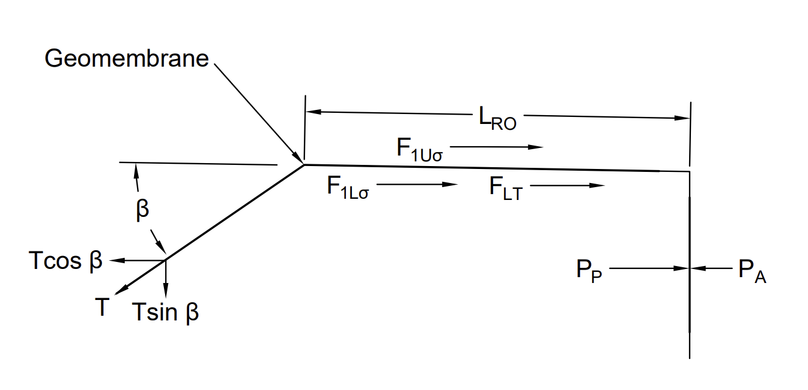
 | IMPUT PARAMETER
 | Depth of the anchor trench ,Df | 3 | m | Use Pulldown Menu to change units |  |  | Input Parameters
 | Soil Unit Weight, ϒ | 16.5 | kN/m3 |  |  |  | Calculated Results
 | σallow | 15000 | kPa

This spreadsheet provides results in both U.S. customary and International (SI) units.
Use the selection box to switch between unit systems or verify conversions. |  |  |  |  |  |  | INPUT PARAMETER
 |  |  |  |  |  |  | Allowable Tensile Yield Strength
 |  |  |  |  |  |  | HDPE | 126 | lb/in
 |  |  |  |  |  |  | LLDPE | 43 | lb/in
 | GEOMEMBRANE THICKNESS |  |  |  |  |  | PVC 10 | 23 | kN/m
 | Depth of the anchor trench ,Df | 3 | m |  |  |  | fPP-R | 28.21 | kN/m
 | Soil Unit Weight, ϒ | 16.50 | kN/m3 |  |  |  | This spreadsheet provides results in both U.S. customary and International (SI) units.
 | Applied stress, σn | 49.5 | kPa |  |  |  | Use the selection box to switch between unit systems or verify conversions. |  |  |  |  |  |  |  |  |  | 3
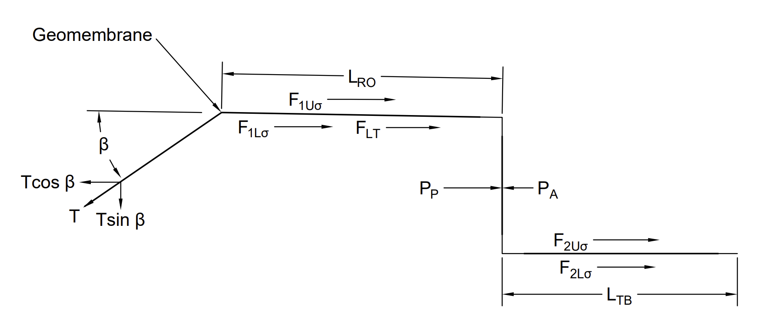
 | Distance movilized of Geomembrane deformation p' mov. Geomem., x | 0.05 | m
 | σallow | 15000 | kPa | According to Designing with Geosynthetics, the maximum (allowable) stress in HDPE geomembranes is 15,900 kPa
 | Angle of shearing resistance between geomembrane and the adjacent material, δu | 18 | °
 | Friction angle between the geomembrane and its cover soil, δL | 8 | °
 | Side slope angle , β | 45 | °
 | Soil friction angle φ = | 30
 | Slope (?H:1V) | 3
 | side slope angle | 18.43
 | Koerner, R. M. (2005). Designing with Geosynthetics (5ª ed.). Pearson Prentice Hall. (page 486)

 | t | 0.0001263736576 | m |  | 0.13 | mm

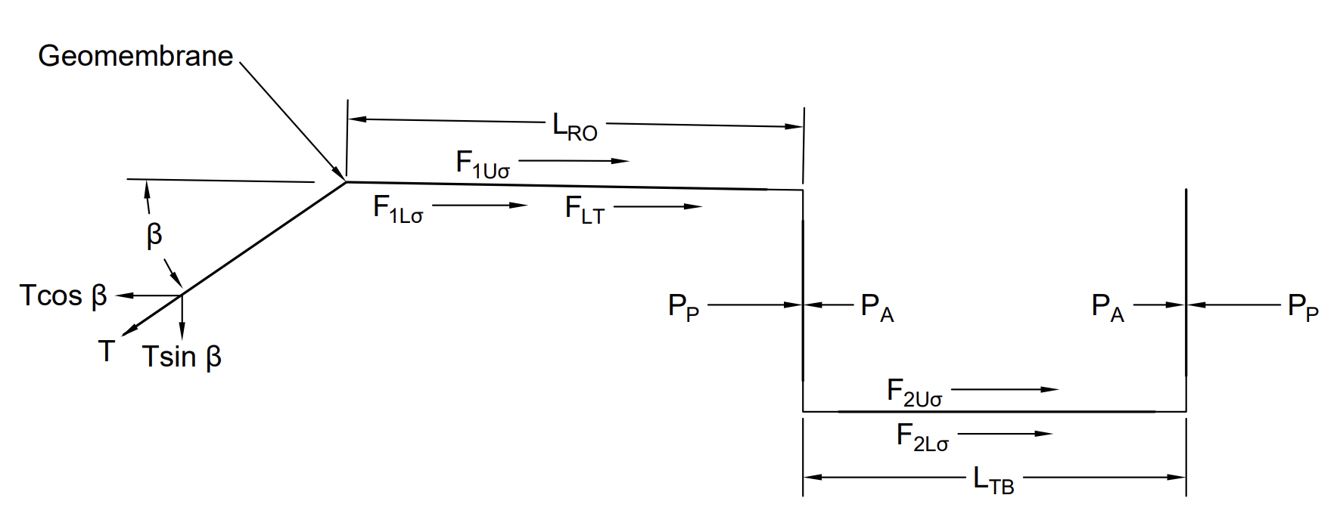
 | THICKNESS = | 1.5 | m | FoS | 11.538461538 | MORE THAN ADEQUATE

 | Geomembrane Design Parameters |  |  |  |  |  |  |  |  |  |  |  |  |  |  |  |  | 1.5
 |  |  |  |  |  |  |  |  |  |  |  |  |  |  | 0

 | IMPUT PARAMETER
 | Depth of the anchor trench ,Df | 3 | m | Use Pulldown Menu to change units
 | Soil Unit Weight, ϒ | 16.5 | kN/m3
 | dAT | 0.47 | m
 | Anchor trench backfill unit weight, ϒat | 1800 | kN/m3

 | This spreadsheet provides results in both U.S. customary and International (SI) units.
 | Use the selection box to switch between unit systems or verify conversions.

 |  |  |  |  |  |  |  |  |  |  |  |  | Analysis for inclination length

 | Depth of the anchor trench ,Df | 0.3 | m |  |  | Applied stress, σn | 4.95 | Kn/m2 | Shear force above the geomembrane due to cover soil(note that thin cover soils,tensile cracking will occur, and this value will be negligible) F1Uσ= | 1.08 |  |  |  | Inclined length in Pond [T] (m) |  | Factor of Safety
 | ϒAT | 16.5 | kN/m3 |  |  | Active Earth Pressure Resistance against backfill side of anchor trench, PA | 1.38 | kPa | Shear force below the geomembrane due to cover soil; F1Lσ= | 1.92
 | φ | 30 | ° |  |  | Passive Earth Pressure Resistance against in-situ side of anchor trench, PP | 12.45 | kPa | Shear force below geomembrane due to the vertical of Tallow; FLT= | 4.108 |  |  |  | 3 |  | 1.44
 | dAT | 0.47 | m |  |  | Active Earth Pressure Coefficient = tg2(45-ø/2) KA | 0.33 |  | Pa | 4.4 | kN/m |  |  | 5 |  | 0.99
 | δu | 18 | ° |  |  | Passive Earth Pressure Coefficient = tg2(45+ø/2) = 1/KA KP | 3 |  | Pp | 39.6 | kN/m |  |  | 6 |  | 0.88
 | δL | 8 | ° |  |  | Tadm | 20.8 | kPa | Allow | 2.721 |  |  |  | 8 |  | 0.74
 | Side slope angle , β | 45 | ° |  |  | Weigth fill material anch ,W = | 8.83 | kN/m | required | 2.9421 |  |  |  | 10 |  | 0.66
 | Lro | 0.67 | m |  |  | Width min; | 0.5 | m | PAH | 21.819715855 | kPa
 | Tallow | 22.5 | kN/m3 |  |  | Specific weight of backfill for the trench, ϒat | 1800 | Kg/m3 | Available pullout resistance | 51.114486151 | kPa
 | Depth of Soil Cover over Geomembrane Runout | 300 | mm |  |  |  |  |  | *FSanchor < 1.5, the anchor trench will fail before geomembrane |  |  |  |  | An inclination length that provides FS > 1 ensures a safe anchorage. (Giroud,1999)
 |  |  |  |  |  |  |  |  | *FSanchor > 1.5, the geomembrane will fail before the anchor trench |  |  |  |  | Based on our data, an inclination length of 3 ft is adequate to obtain a factor of safety of 1.44

 |  |  |  |  |  |  |  |  | Pullout Factor of Safety (FoS) | 2.34 |  | OK
 |  |  |  |  |  |  |  |  | Pullout Resistance: (See recommendations in Chapter 3 and Appendix B) - Use FoS = 1.5 for granular soils - Use FoS = 2 for cohesive soils

 |  |  |  |  |  |  |  |  | Giroud Pullout Factor of Safety (FoS) | 1.08 |  | OK
 |  |  |  |  |  |  |  |  | Giroud and Noiray (1981) applied limit equilibrium principles to analyze the pullout resistance of geosynthetics, emphasizing the balance between driving and resisting forces along the soil–geosynthetic interface.

 |  |  |  |  |  |  |  |  | A FoS of 1.5 is suggested for the global factor of safety, FoS. (Giroud,1999)

