1. Cumulative Health Benefits
Cumulative Air Quality Health Benefits (NPV)

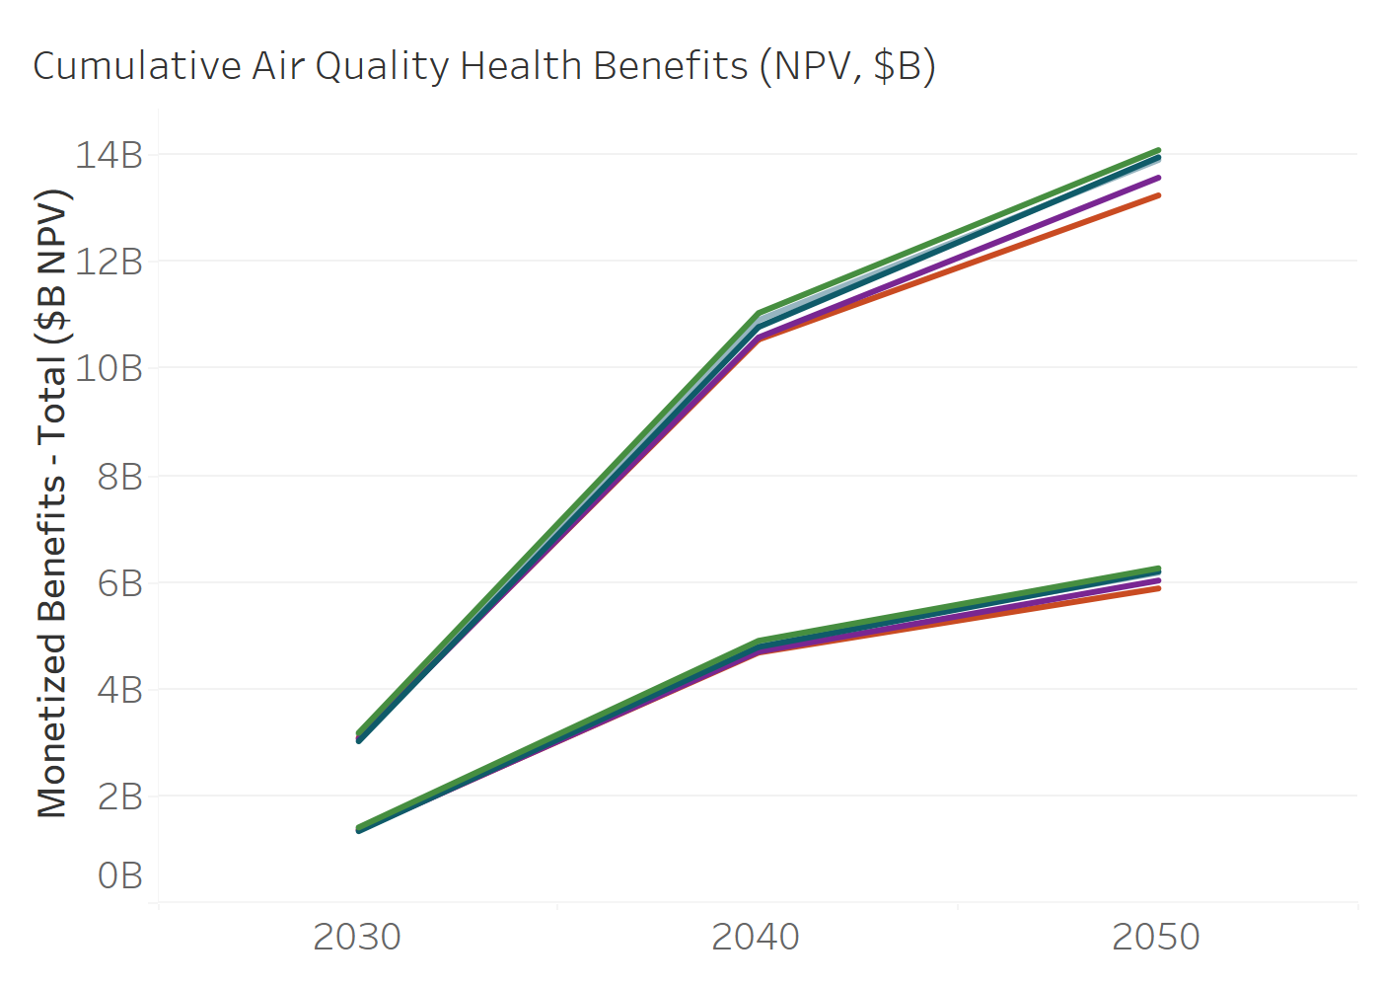
High or Low Estimate | Scenario | Year | NPV ($)
Monetized Benefits (High) - Total | 0. Reference | 2030 | 3188238512
Monetized Benefits (High) - Total | 0. Reference | 2040 | 11048114464
High Estimates
Monetized Benefits (High) - Total | 0. Reference | 2050 | 14099028025
Monetized Benefits (High) - Total | 0a. No change in VMT | 2030 | 3030792409
Monetized Benefits (High) - Total | 0a. No change in VMT | 2040 | 10787507401
Monetized Benefits (High) - Total | 0a. No change in VMT | 2050 | 13964606053
Monetized Benefits (High) - Total | 0c. No act | 2030 | 3074527664
Monetized Benefits (High) - Total | 0c. No act | 2040 | 10591566762
Monetized Benefits (High) - Total | 0c. No act | 2050 | 13583036577
Monetized Benefits (High) - Total | 1.Delayed Energy Efficiency and Building Electrification | 2030 | 3096920823
Low Estimates
Monetized Benefits (High) - Total | 1.Delayed Energy Efficiency and Building Electrification | 2040 | 10553525897
Monetized Benefits (High) - Total | 1.Delayed Energy Efficiency and Building Electrification | 2050 | 13251120130
Monetized Benefits (High) - Total | 2.Delayed Transportation Electrification | 2030 | 3160510971
Monetized Benefits (High) - Total | 2.Delayed Transportation Electrification | 2040 | 10916571222
Monetized Benefits (High) - Total | 2.Delayed Transportation Electrification | 2050 | 13915545225
Monetized Benefits (Low) - Total | 0. Reference | 2030 | 1416909844
Monetized Benefits (Low) - Total | 0. Reference | 2040 | 4911603118
Monetized Benefits (Low) - Total | 0. Reference | 2050 | 6268992331
Monetized Benefits (Low) - Total | 0a. No change in VMT | 2030 | 1346898826
Monetized Benefits (Low) - Total | 0a. No change in VMT | 2040 | 4795670219
Monetized Benefits (Low) - Total | 0a. No change in VMT | 2050 | 6209152797
Monetized Benefits (Low) - Total | 0c. No act | 2030 | 1366339034
Monetized Benefits (Low) - Total | 0c. No act | 2040 | 4708429180
Monetized Benefits (Low) - Total | 0c. No act | 2050 | 6039309522
Monetized Benefits (Low) - Total | 1.Delayed Energy Efficiency and Building Electrification | 2030 | 1376298071
Monetized Benefits (Low) - Total | 1.Delayed Energy Efficiency and Building Electrification | 2040 | 4691487585
Monetized Benefits (Low) - Total | 1.Delayed Energy Efficiency and Building Electrification | 2050 | 5891560470
Monetized Benefits (Low) - Total | 2.Delayed Transportation Electrification | 2030 | 1404584855
Monetized Benefits (Low) - Total | 2.Delayed Transportation Electrification | 2040 | 4853064197
Monetized Benefits (Low) - Total | 2.Delayed Transportation Electrification | 2050 | 6187310982

2. Impact to Health Metrics
Impact to Health Metrics and Mortality

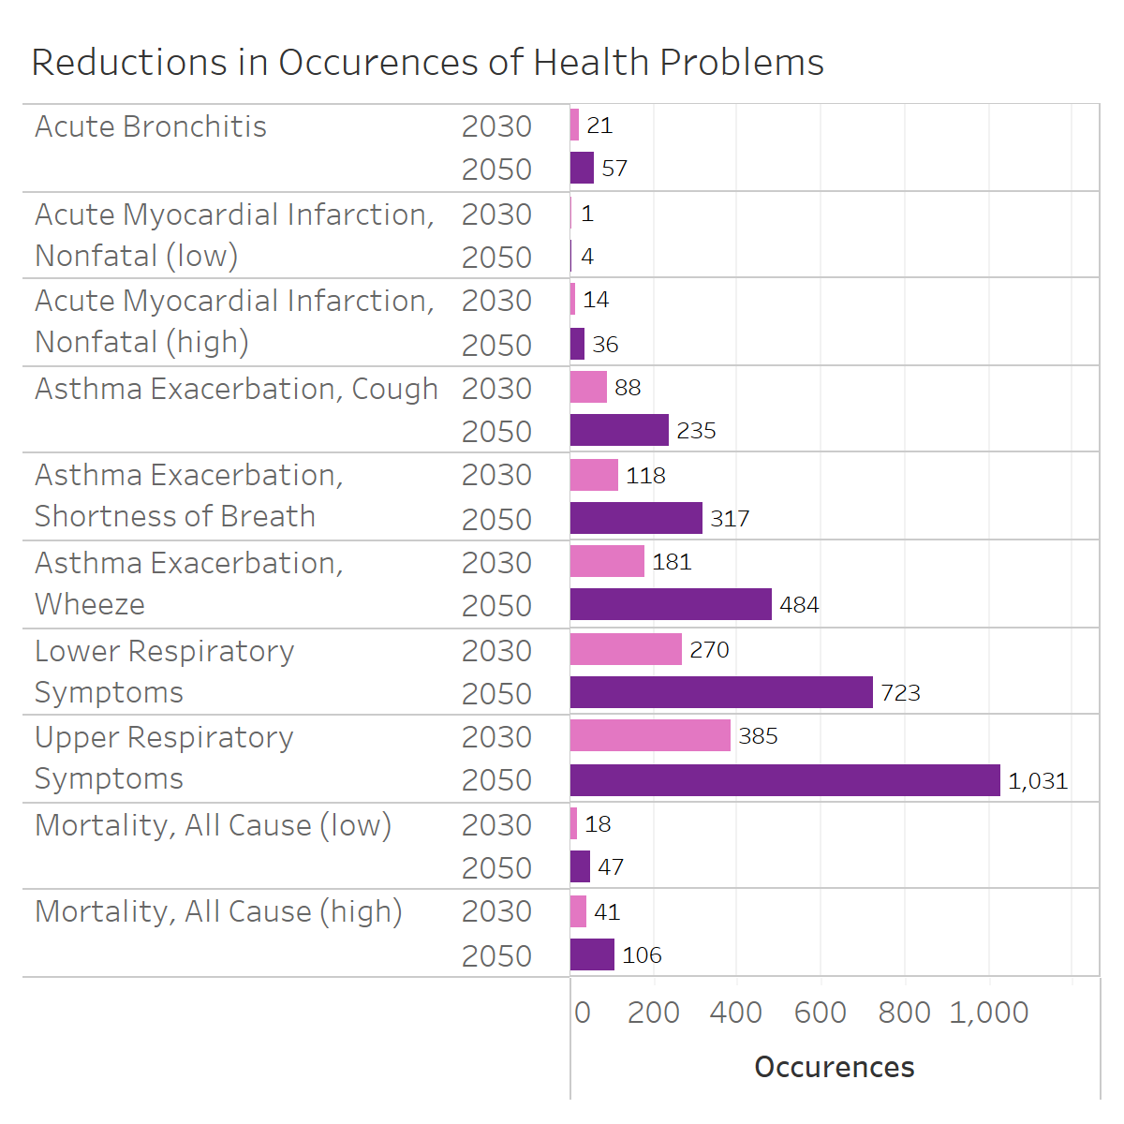
Health Metrics | Year | Reductions in Occurences
Acute Bronchitis | 2030 | 21
Acute Myocardial Infarction, Nonfatal (low) | 2030 | 1
Acute Myocardial Infarction, Nonfatal (high) | 2030 | 14
Asthma Exacerbation, Cough | 2030 | 88
Asthma Exacerbation, Shortness of Breath | 2030 | 118
Asthma Exacerbation, Wheeze | 2030 | 181
Lower Respiratory Symptoms | 2030 | 270
Upper Respiratory Symptoms | 2030 | 385
Mortality, All Cause (low) | 2030 | 18
Mortality, All Cause (high) | 2030 | 41
Acute Bronchitis | 2050 | 57
Acute Myocardial Infarction, Nonfatal (low) | 2050 | 4
Acute Myocardial Infarction, Nonfatal (high) | 2050 | 36
Asthma Exacerbation, Cough | 2050 | 235
Asthma Exacerbation, Shortness of Breath | 2050 | 317
Asthma Exacerbation, Wheeze | 2050 | 484
Lower Respiratory Symptoms | 2050 | 723
Upper Respiratory Symptoms | 2050 | 1031
Mortality, All Cause (low) | 2050 | 47
Mortality, All Cause (high) | 2050 | 106

3. Total Benefits
Total Benefits attributed to Pollutant Emissions Reductions

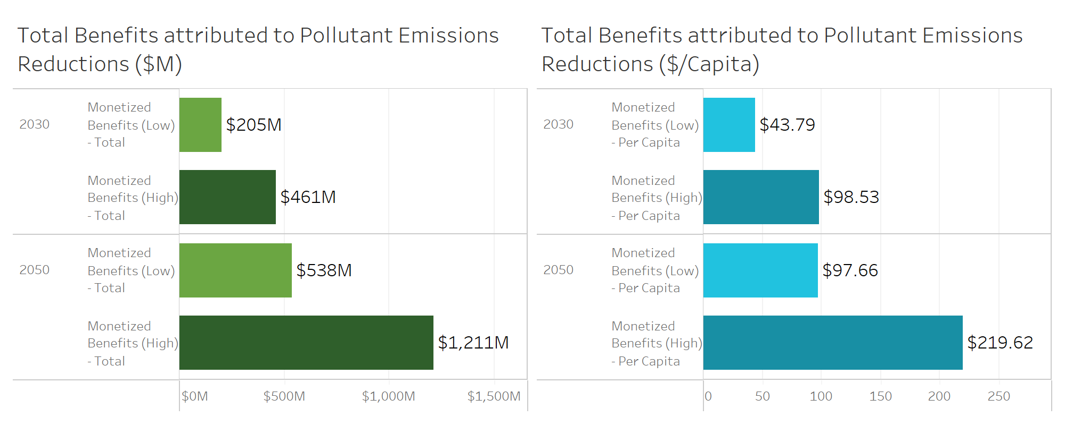
Year | Total Benefits ($)
2030 | 204950657
2030 | 461166658
2050 | 538375030
2050 | 1210757606

Year | Benefits per Capita ($)
2030 | 44
2030 | 99
2050 | 98
2050 | 220

4. Cost Assumptions for EVs
Vehicle Cost Assumptions (including charger installation costs for EVs)

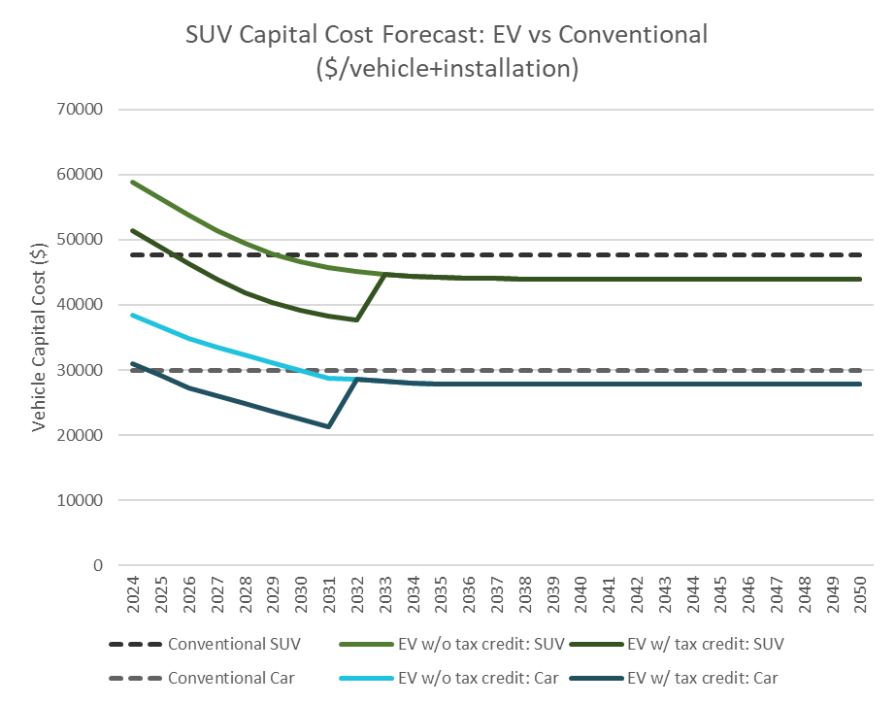
Year | ICE SUV ($) | EV SUV ($) | EV SUV w/incentive ($) | ICE car ($) | EV car ($) | EV car w/incentive ($)
2024 | 47604 | 58906 | 51406 | 29934 | 38438 | 30938
2025 | 47604 | 56337 | 48837 | 29934 | 36604 | 29104
2026 | 47604 | 53771 | 46271 | 29934 | 34771 | 27271
2027 | 47604 | 51417 | 43917 | 29934 | 33571 | 26071
2028 | 47604 | 49419 | 41919 | 29934 | 32371 | 24871
2029 | 47604 | 47831 | 40331 | 29934 | 31171 | 23671
2030 | 47604 | 46636 | 39136 | 29934 | 29971 | 22471
2031 | 47604 | 45771 | 38271 | 29934 | 28771 | 21271
2032 | 47604 | 45163 | 37663 | 29934 | 28521 | 28521
2033 | 47604 | 44745 | 44745 | 29934 | 28271 | 28271
2034 | 47604 | 44462 | 44462 | 29934 | 28021 | 28021
2035 | 47604 | 44271 | 44271 | 29934 | 27771 | 27771
2036 | 47604 | 44144 | 44144 | 29934 | 27771 | 27771
2037 | 47604 | 44059 | 44059 | 29934 | 27771 | 27771
2038 | 47604 | 44003 | 44003 | 29934 | 27771 | 27771
2039 | 47604 | 43966 | 43966 | 29934 | 27771 | 27771
2040 | 47604 | 43942 | 43942 | 29934 | 27771 | 27771
2041 | 47604 | 43926 | 43926 | 29934 | 27771 | 27771
2042 | 47604 | 43915 | 43915 | 29934 | 27771 | 27771
2043 | 47604 | 43908 | 43908 | 29934 | 27771 | 27771
2044 | 47604 | 43903 | 43903 | 29934 | 27771 | 27771
2045 | 47604 | 43900 | 43900 | 29934 | 27771 | 27771
2046 | 47604 | 43898 | 43898 | 29934 | 27771 | 27771
2047 | 47604 | 43897 | 43897 | 29934 | 27771 | 27771
2048 | 47604 | 43896 | 43896 | 29934 | 27771 | 27771
2049 | 47604 | 43895 | 43895 | 29934 | 27771 | 27771
2050 | 47604 | 43895 | 43895 | 29934 | 27771 | 27771

5. Cost Assumptions for HPs
Heating and Cooling Technology Cost Assumptions (including installation)

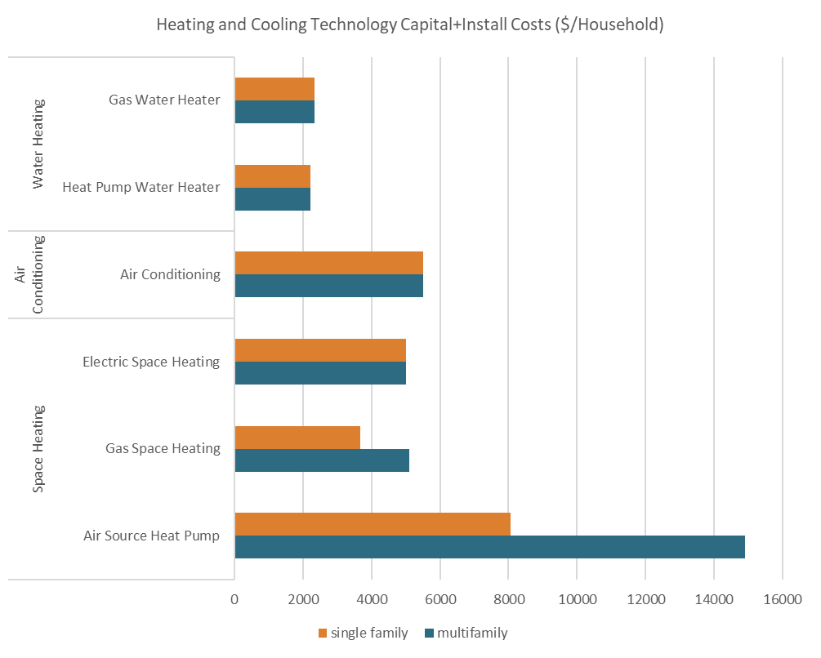
Appliance Type | Technology | Multifamily Cost ($/Household) | Single Family Cost ($/Household)
Space Heating | Air Source Heat Pump | 14900 | 8061
 | Gas Space Heating | 5112 | 3663
 | Electric Space Heating | 5000 | 5000
Air Conditioning | Air Conditioning | 5502 | 5502
Water Heating | Heat Pump Water Heater | 2225 | 2225
 | Gas Water Heater | 2342 | 2342

6. EV Customer Costs-Slide 36
Savings Across Sample Households ($0.20/kWh electricity, $1.50/therm gas, no IRA, EVs purchased in 2030 and 2035)

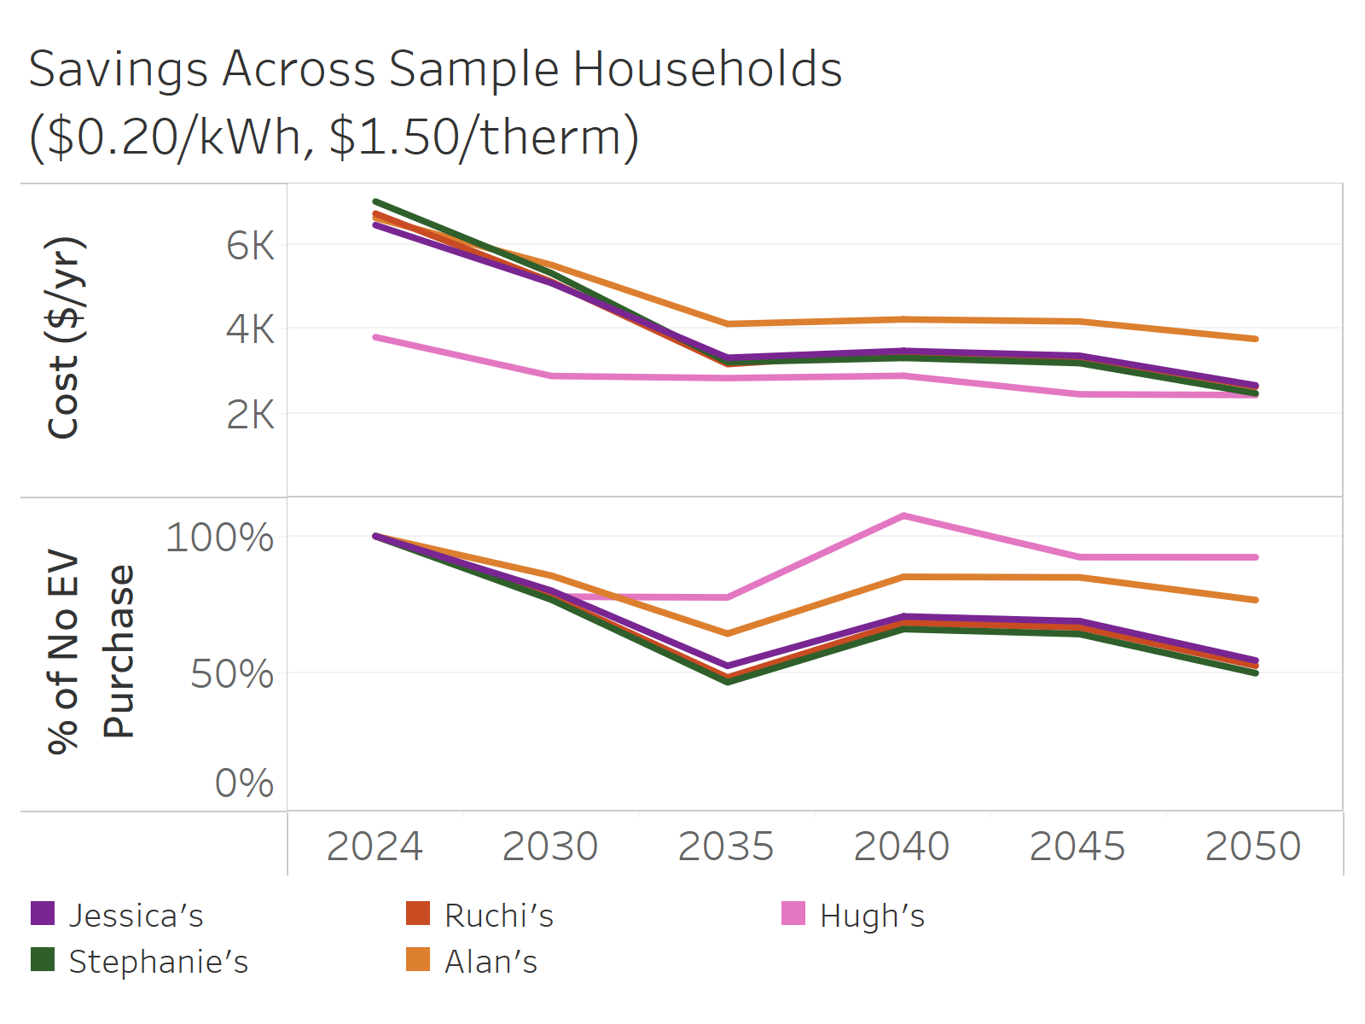
Household | Year | Total Energy Cost ($/yr) | Pct of No Purchase
Jessica's | 2024 | 6457 | 100%
Jessica's | 2030 | 5082 | 80%
Jessica's | 2035 | 3313 | 53%
Jessica's | 2040 | 3475 | 71%
Jessica's | 2045 | 3360 | 69%
Jessica's | 2050 | 2658 | 55%
Stephanie's | 2024 | 7015 | 100%
Stephanie's | 2030 | 5317 | 77%
Stephanie's | 2035 | 3207 | 47%
Stephanie's | 2040 | 3308 | 66%
Stephanie's | 2045 | 3185 | 64%
Stephanie's | 2050 | 2468 | 50%
Ruchi's | 2024 | 6729 | 100%
Ruchi's | 2030 | 5113 | 78%
Ruchi's | 2035 | 3161 | 49%
Ruchi's | 2040 | 3438 | 69%
Ruchi's | 2045 | 3325 | 67%
Ruchi's | 2050 | 2626 | 53%
Alan's | 2024 | 6626 | 100%
Alan's | 2030 | 5512 | 86%
Alan's | 2035 | 4113 | 65%
Alan's | 2040 | 4221 | 85%
Alan's | 2045 | 4172 | 85%
Alan's | 2050 | 3757 | 77%
Hugh's | 2024 | 3801 | 100%
Hugh's | 2030 | 2879 | 78%
Hugh's | 2035 | 2830 | 78%
Hugh's | 2040 | 2885 | 107%
Hugh's | 2045 | 2446 | 92%
Hugh's | 2050 | 2428 | 92%

7. EV Customer Costs-Slide 37
Jessica's savings of EV purchase in 2030 and 2035 with different electricity rates (no IRA)

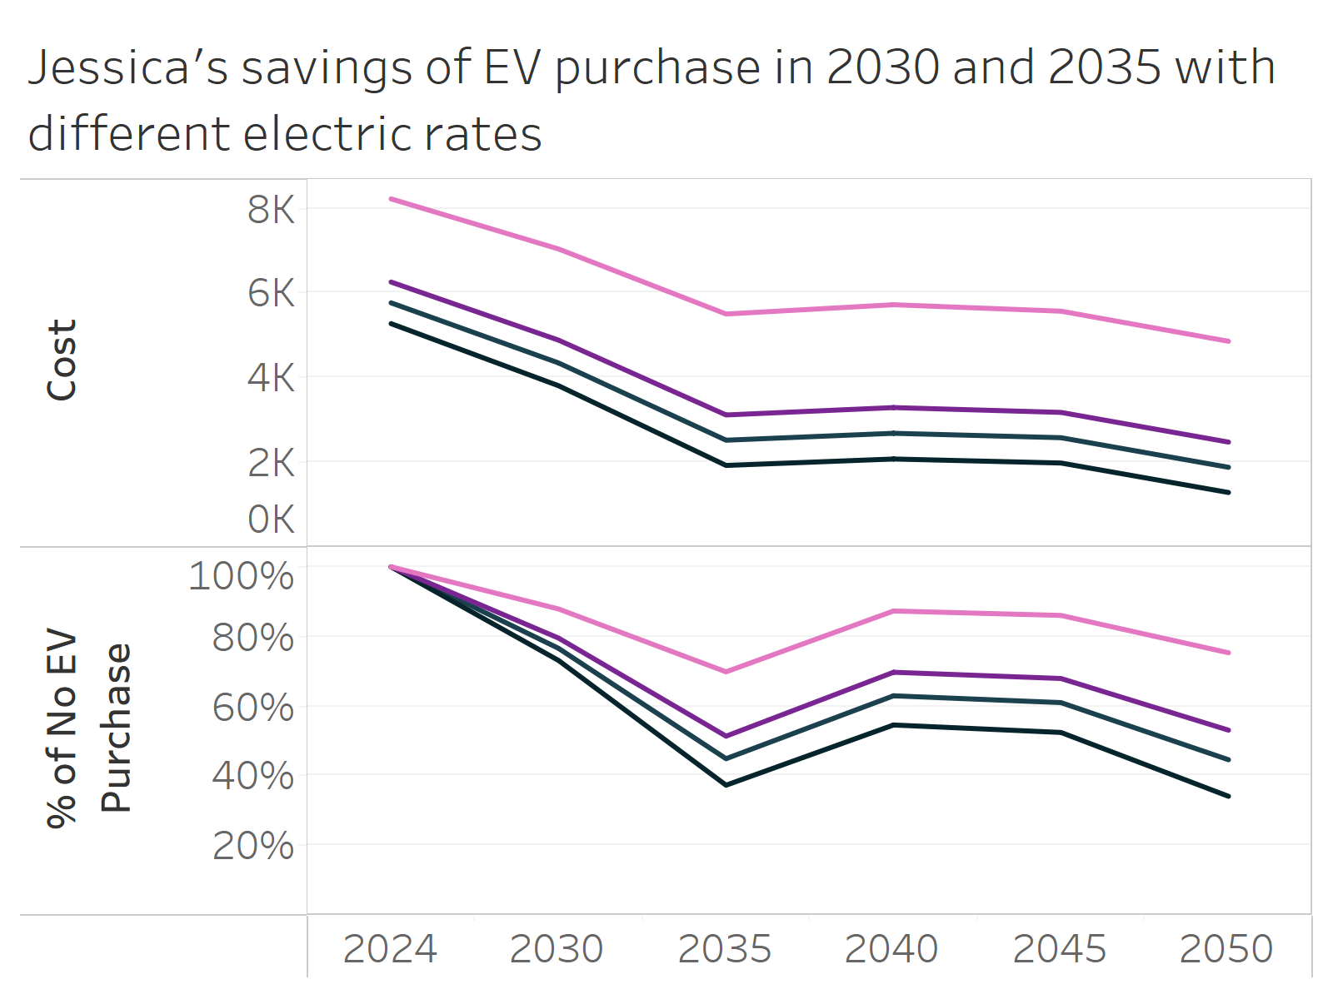
Electricity Rate | Year | Total Energy Cost ($/yr) | Pct of No Purchase
Higher | 2024 | 8219 | 100%
Higher | 2030 | 7036 | 88%
Higher | 2035 | 5500 | 70%
Higher | 2040 | 5719 | 87%
$/kWh
Higher | 2045 | 5567 | 86%
Higher | 2050 | 4857 | 75%
$0.40
High | 2024 | 6255 | 100%
High | 2030 | 4883 | 80%
$0.20
High | 2035 | 3117 | 51%
$0.15
$0.10
High | 2040 | 3291 | 70%
High | 2045 | 3177 | 68%
High | 2050 | 2476 | 53%
Low | 2024 | 5273 | 100%
Low | 2030 | 3806 | 73%
Low | 2035 | 1925 | 37%
Low | 2040 | 2077 | 55%
Low | 2045 | 1982 | 52%
Low | 2050 | 1286 | 34%
Medium | 2024 | 5764 | 100%
Medium | 2030 | 4345 | 77%
Medium | 2035 | 2521 | 45%
Medium | 2040 | 2684 | 63%
Medium | 2045 | 2580 | 61%
Medium | 2050 | 1881 | 45%

8. EV Customer Costs-Slide 38
Jessica's savings of EV purchase in 2030 and 2035 with different tax incentives ($0.20/kWh electricity, $1.50/therm gas)

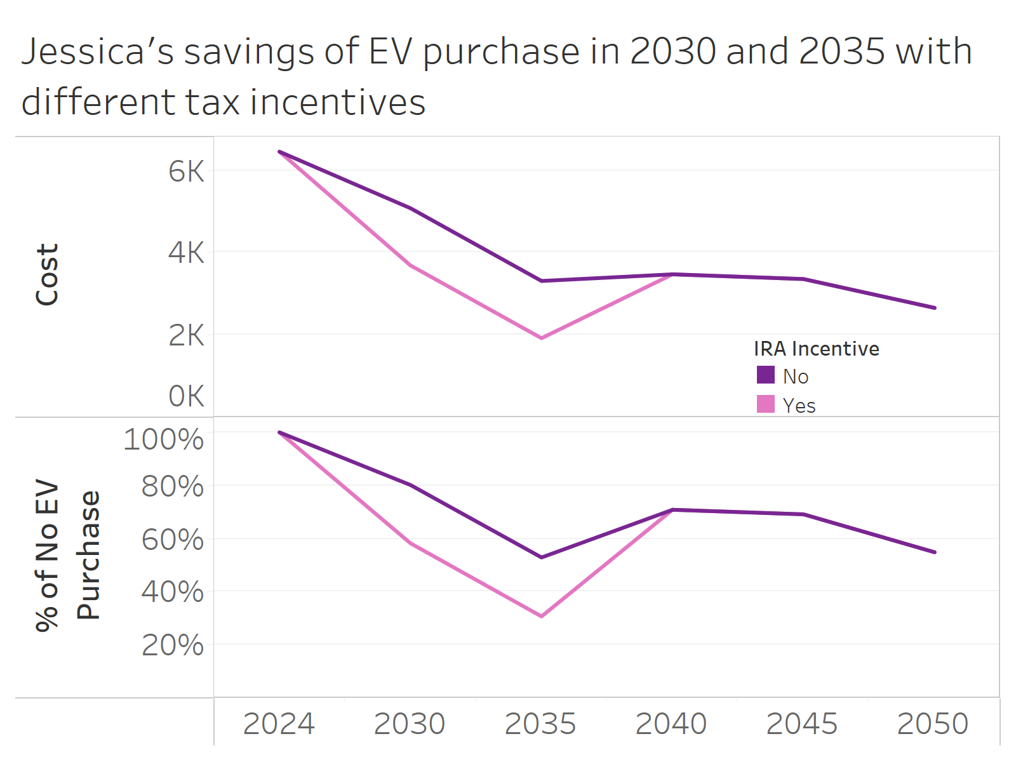
IRA Incentive | Year | Total Energy Cost ($/yr) | Pct of No Purchase
No | 2024 | 6457 | 100%
No | 2030 | 5082 | 80%
No | 2035 | 3313 | 53%
No | 2040 | 3475 | 71%
No | 2045 | 3360 | 69%
No | 2050 | 2658 | 55%
Yes | 2024 | 6457 | 100%
Yes | 2030 | 3690 | 58%
Yes | 2035 | 1921 | 31%
Yes | 2040 | 3475 | 71%
Yes | 2045 | 3360 | 69%
Yes | 2050 | 2658 | 55%

9. EV Customer Costs-Slide 39
Savings Across Sample Households ($0.20/kWh electricity, $1.50/therm gas, includes IRA, assumes EV purchases in 2030 and 2035)

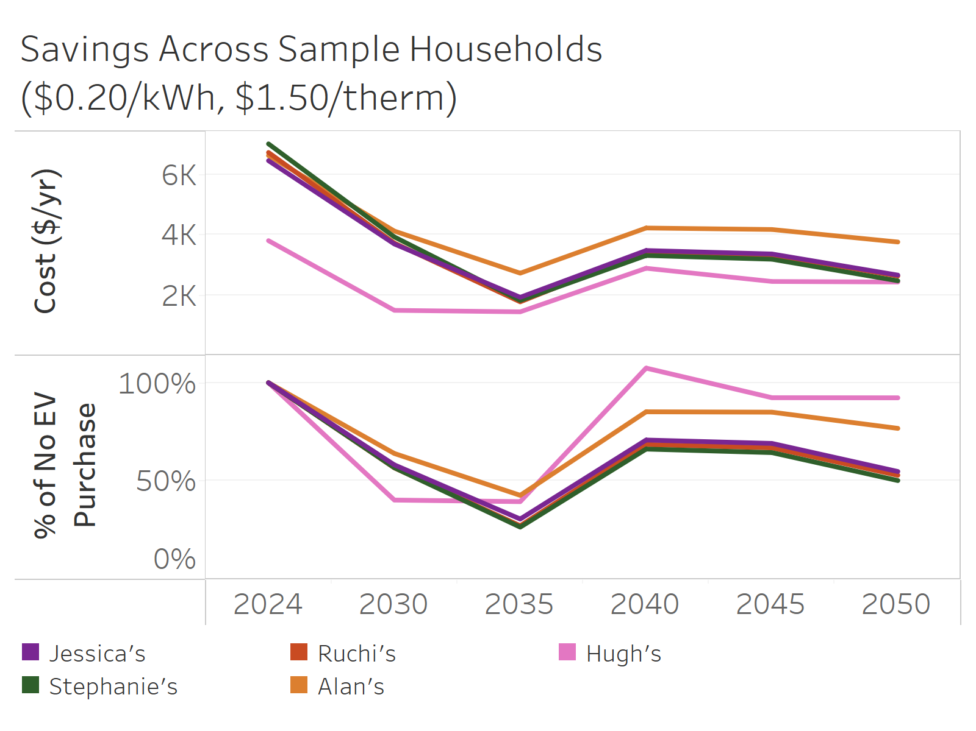
Household | Year | Total Energy Cost ($/yr) | Pct of No Purchase
Jessica's | 2024 | 6457 | 100%
Jessica's | 2030 | 3690 | 58%
Jessica's | 2035 | 1921 | 31%
Jessica's | 2040 | 3475 | 71%
Jessica's | 2045 | 3360 | 69%
Jessica's | 2050 | 2658 | 55%
Stephanie's | 2024 | 7015 | 100%
Stephanie's | 2030 | 3925 | 57%
Stephanie's | 2035 | 1815 | 27%
Stephanie's | 2040 | 3308 | 66%
Stephanie's | 2045 | 3185 | 64%
Stephanie's | 2050 | 2468 | 50%
Ruchi's | 2024 | 6729 | 100%
Ruchi's | 2030 | 3721 | 57%
Ruchi's | 2035 | 1770 | 27%
Ruchi's | 2040 | 3438 | 69%
Ruchi's | 2045 | 3325 | 67%
Ruchi's | 2050 | 2626 | 53%
Alan's | 2024 | 6626 | 100%
Alan's | 2030 | 4120 | 64%
Alan's | 2035 | 2721 | 43%
Alan's | 2040 | 4221 | 85%
Alan's | 2045 | 4172 | 85%
Alan's | 2050 | 3757 | 77%
Hugh's | 2024 | 3801 | 100%
Hugh's | 2030 | 1488 | 40%
Hugh's | 2035 | 1438 | 40%
Hugh's | 2040 | 2885 | 107%
Hugh's | 2045 | 2446 | 92%
Hugh's | 2050 | 2428 | 92%

10. EV Customer Costs-Slide 40
Jessica's estimated energy spending based on EV purchase year ($0.20/kWh electricity, $1.50/therm gas, no IRA)

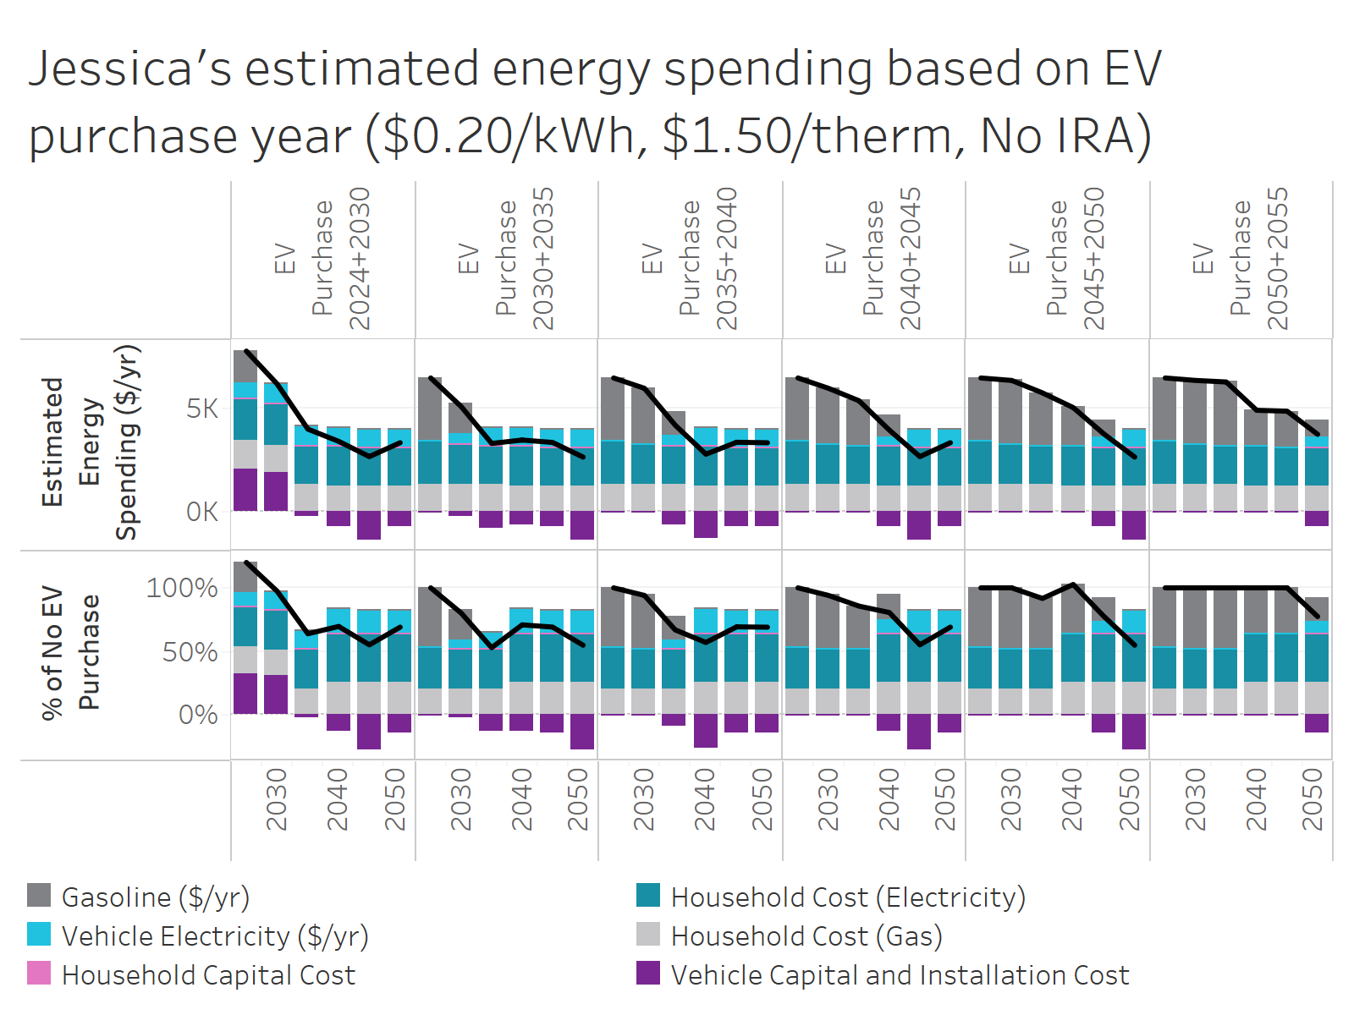
Cost Type | EV Purchase Year | Year | Total Energy Cost ($/yr) | Pct of No EV Purchase
Gasoline ($/yr) | EV Purchase 2024+2030 | 2024 | 1520 | 24%
Gasoline ($/yr) | EV Purchase 2024+2030 | 2030 | 0 | 0%
Gasoline ($/yr) | EV Purchase 2024+2030 | 2035 | 0 | 0%
Gasoline ($/yr) | EV Purchase 2024+2030 | 2040 | 0 | 0%
Gasoline ($/yr) | EV Purchase 2024+2030 | 2045 | 0 | 0%
Gasoline ($/yr) | EV Purchase 2024+2030 | 2050 | 0 | 0%
Gasoline ($/yr) | EV Purchase 2030+2035 | 2024 | 3040 | 47%
Gasoline ($/yr) | EV Purchase 2030+2035 | 2030 | 1520 | 24%
Gasoline ($/yr) | EV Purchase 2030+2035 | 2035 | 0 | 0%
Gasoline ($/yr) | EV Purchase 2030+2035 | 2040 | 0 | 0%
Gasoline ($/yr) | EV Purchase 2030+2035 | 2045 | 0 | 0%
Gasoline ($/yr) | EV Purchase 2030+2035 | 2050 | 0 | 0%
Gasoline ($/yr) | EV Purchase 2035+2040 | 2024 | 3040 | 47%
Gasoline ($/yr) | EV Purchase 2035+2040 | 2030 | 2662 | 42%
Gasoline ($/yr) | EV Purchase 2035+2040 | 2035 | 1143 | 18%
Gasoline ($/yr) | EV Purchase 2035+2040 | 2040 | 0 | 0%
Gasoline ($/yr) | EV Purchase 2035+2040 | 2045 | 0 | 0%
Gasoline ($/yr) | EV Purchase 2035+2040 | 2050 | 0 | 0%
Gasoline ($/yr) | EV Purchase 2040+2045 | 2024 | 3040 | 47%
Gasoline ($/yr) | EV Purchase 2040+2045 | 2030 | 2662 | 42%
Gasoline ($/yr) | EV Purchase 2040+2045 | 2035 | 2139 | 34%
Gasoline ($/yr) | EV Purchase 2040+2045 | 2040 | 997 | 20%
Gasoline ($/yr) | EV Purchase 2040+2045 | 2045 | 0 | 0%
Gasoline ($/yr) | EV Purchase 2040+2045 | 2050 | 0 | 0%
Gasoline ($/yr) | EV Purchase 2045+2050 | 2024 | 3040 | 47%
Gasoline ($/yr) | EV Purchase 2045+2050 | 2030 | 3040 | 48%
Gasoline ($/yr) | EV Purchase 2045+2050 | 2035 | 2517 | 40%
Gasoline ($/yr) | EV Purchase 2045+2050 | 2040 | 1863 | 38%
Gasoline ($/yr) | EV Purchase 2045+2050 | 2045 | 866 | 18%
Gasoline ($/yr) | EV Purchase 2045+2050 | 2050 | 0 | 0%
Gasoline ($/yr) | EV Purchase 2050+2055 | 2024 | 3040 | 47%
Gasoline ($/yr) | EV Purchase 2050+2055 | 2030 | 3040 | 48%
Gasoline ($/yr) | EV Purchase 2050+2055 | 2035 | 3040 | 49%
Gasoline ($/yr) | EV Purchase 2050+2055 | 2040 | 1732 | 35%
Gasoline ($/yr) | EV Purchase 2050+2055 | 2045 | 1732 | 36%
Gasoline ($/yr) | EV Purchase 2050+2055 | 2050 | 866 | 18%
Vehicle Electricity ($/yr) | EV Purchase 2024+2030 | 2024 | 713 | 11%
Vehicle Electricity ($/yr) | EV Purchase 2024+2030 | 2030 | 954 | 15%
Vehicle Electricity ($/yr) | EV Purchase 2024+2030 | 2035 | 955 | 15%
Vehicle Electricity ($/yr) | EV Purchase 2024+2030 | 2040 | 921 | 19%
Vehicle Electricity ($/yr) | EV Purchase 2024+2030 | 2045 | 919 | 19%
Vehicle Electricity ($/yr) | EV Purchase 2024+2030 | 2050 | 919 | 19%
Vehicle Electricity ($/yr) | EV Purchase 2030+2035 | 2024 | 0 | 0%
Vehicle Electricity ($/yr) | EV Purchase 2030+2035 | 2030 | 443 | 7%
Vehicle Electricity ($/yr) | EV Purchase 2030+2035 | 2035 | 886 | 14%
Vehicle Electricity ($/yr) | EV Purchase 2030+2035 | 2040 | 921 | 19%
Vehicle Electricity ($/yr) | EV Purchase 2030+2035 | 2045 | 919 | 19%
Vehicle Electricity ($/yr) | EV Purchase 2030+2035 | 2050 | 919 | 19%
Vehicle Electricity ($/yr) | EV Purchase 2035+2040 | 2024 | 0 | 0%
Vehicle Electricity ($/yr) | EV Purchase 2035+2040 | 2030 | 0 | 0%
Vehicle Electricity ($/yr) | EV Purchase 2035+2040 | 2035 | 443 | 7%
Vehicle Electricity ($/yr) | EV Purchase 2035+2040 | 2040 | 921 | 19%
Vehicle Electricity ($/yr) | EV Purchase 2035+2040 | 2045 | 919 | 19%
Vehicle Electricity ($/yr) | EV Purchase 2035+2040 | 2050 | 919 | 19%
Vehicle Electricity ($/yr) | EV Purchase 2040+2045 | 2024 | 0 | 0%
Vehicle Electricity ($/yr) | EV Purchase 2040+2045 | 2030 | 0 | 0%
Vehicle Electricity ($/yr) | EV Purchase 2040+2045 | 2035 | 0 | 0%
Vehicle Electricity ($/yr) | EV Purchase 2040+2045 | 2040 | 461 | 9%
Vehicle Electricity ($/yr) | EV Purchase 2040+2045 | 2045 | 919 | 19%
Vehicle Electricity ($/yr) | EV Purchase 2040+2045 | 2050 | 919 | 19%
Vehicle Electricity ($/yr) | EV Purchase 2045+2050 | 2024 | 0 | 0%
Vehicle Electricity ($/yr) | EV Purchase 2045+2050 | 2030 | 0 | 0%
Vehicle Electricity ($/yr) | EV Purchase 2045+2050 | 2035 | 0 | 0%
Vehicle Electricity ($/yr) | EV Purchase 2045+2050 | 2040 | 0 | 0%
Vehicle Electricity ($/yr) | EV Purchase 2045+2050 | 2045 | 460 | 9%
Vehicle Electricity ($/yr) | EV Purchase 2045+2050 | 2050 | 919 | 19%
Vehicle Electricity ($/yr) | EV Purchase 2050+2055 | 2024 | 0 | 0%
Vehicle Electricity ($/yr) | EV Purchase 2050+2055 | 2030 | 0 | 0%
Vehicle Electricity ($/yr) | EV Purchase 2050+2055 | 2035 | 0 | 0%
Vehicle Electricity ($/yr) | EV Purchase 2050+2055 | 2040 | 0 | 0%
Vehicle Electricity ($/yr) | EV Purchase 2050+2055 | 2045 | 0 | 0%
Vehicle Electricity ($/yr) | EV Purchase 2050+2055 | 2050 | 460 | 9%
Household Capital Cost | EV Purchase 2024+2030 | 2024 | 0 | 0%
Household Capital Cost | EV Purchase 2024+2030 | 2030 | 0 | 0%
Household Capital Cost | EV Purchase 2024+2030 | 2035 | 0 | 0%
Household Capital Cost | EV Purchase 2024+2030 | 2040 | 0 | 0%
Household Capital Cost | EV Purchase 2024+2030 | 2045 | 0 | 0%
Household Capital Cost | EV Purchase 2024+2030 | 2050 | 0 | 0%
Household Capital Cost | EV Purchase 2030+2035 | 2024 | 0 | 0%
Household Capital Cost | EV Purchase 2030+2035 | 2030 | 0 | 0%
Household Capital Cost | EV Purchase 2030+2035 | 2035 | 0 | 0%
Household Capital Cost | EV Purchase 2030+2035 | 2040 | 0 | 0%
Household Capital Cost | EV Purchase 2030+2035 | 2045 | 0 | 0%
Household Capital Cost | EV Purchase 2030+2035 | 2050 | 0 | 0%
Household Capital Cost | EV Purchase 2035+2040 | 2024 | 0 | 0%
Household Capital Cost | EV Purchase 2035+2040 | 2030 | 0 | 0%
Household Capital Cost | EV Purchase 2035+2040 | 2035 | 0 | 0%
Household Capital Cost | EV Purchase 2035+2040 | 2040 | 0 | 0%
Household Capital Cost | EV Purchase 2035+2040 | 2045 | 0 | 0%
Household Capital Cost | EV Purchase 2035+2040 | 2050 | 0 | 0%
Household Capital Cost | EV Purchase 2040+2045 | 2024 | 0 | 0%
Household Capital Cost | EV Purchase 2040+2045 | 2030 | 0 | 0%
Household Capital Cost | EV Purchase 2040+2045 | 2035 | 0 | 0%
Household Capital Cost | EV Purchase 2040+2045 | 2040 | 0 | 0%
Household Capital Cost | EV Purchase 2040+2045 | 2045 | 0 | 0%
Household Capital Cost | EV Purchase 2040+2045 | 2050 | 0 | 0%
Household Capital Cost | EV Purchase 2045+2050 | 2024 | 0 | 0%
Household Capital Cost | EV Purchase 2045+2050 | 2030 | 0 | 0%
Household Capital Cost | EV Purchase 2045+2050 | 2035 | 0 | 0%
Household Capital Cost | EV Purchase 2045+2050 | 2040 | 0 | 0%
Household Capital Cost | EV Purchase 2045+2050 | 2045 | 0 | 0%
Household Capital Cost | EV Purchase 2045+2050 | 2050 | 0 | 0%
Household Capital Cost | EV Purchase 2050+2055 | 2024 | 0 | 0%
Household Capital Cost | EV Purchase 2050+2055 | 2030 | 0 | 0%
Household Capital Cost | EV Purchase 2050+2055 | 2035 | 0 | 0%
Household Capital Cost | EV Purchase 2050+2055 | 2040 | 0 | 0%
Household Capital Cost | EV Purchase 2050+2055 | 2045 | 0 | 0%
Household Capital Cost | EV Purchase 2050+2055 | 2050 | 0 | 0%
Household Cost (Electricity) | EV Purchase 2024+2030 | 2024 | 2084 | 32%
Household Cost (Electricity) | EV Purchase 2024+2030 | 2030 | 1985 | 31%
Household Cost (Electricity) | EV Purchase 2024+2030 | 2035 | 1928 | 31%
Household Cost (Electricity) | EV Purchase 2024+2030 | 2040 | 1949 | 40%
Household Cost (Electricity) | EV Purchase 2024+2030 | 2045 | 1913 | 39%
Household Cost (Electricity) | EV Purchase 2024+2030 | 2050 | 1903 | 39%
Household Cost (Electricity) | EV Purchase 2030+2035 | 2024 | 2084 | 32%
Household Cost (Electricity) | EV Purchase 2030+2035 | 2030 | 1985 | 31%
Household Cost (Electricity) | EV Purchase 2030+2035 | 2035 | 1928 | 31%
Household Cost (Electricity) | EV Purchase 2030+2035 | 2040 | 1949 | 40%
Household Cost (Electricity) | EV Purchase 2030+2035 | 2045 | 1913 | 39%
Household Cost (Electricity) | EV Purchase 2030+2035 | 2050 | 1903 | 39%
Household Cost (Electricity) | EV Purchase 2035+2040 | 2024 | 2084 | 32%
Household Cost (Electricity) | EV Purchase 2035+2040 | 2030 | 1985 | 31%
...

11. EV Customer Energy-Slide 41
Jessica's energy use varying EV purchase year

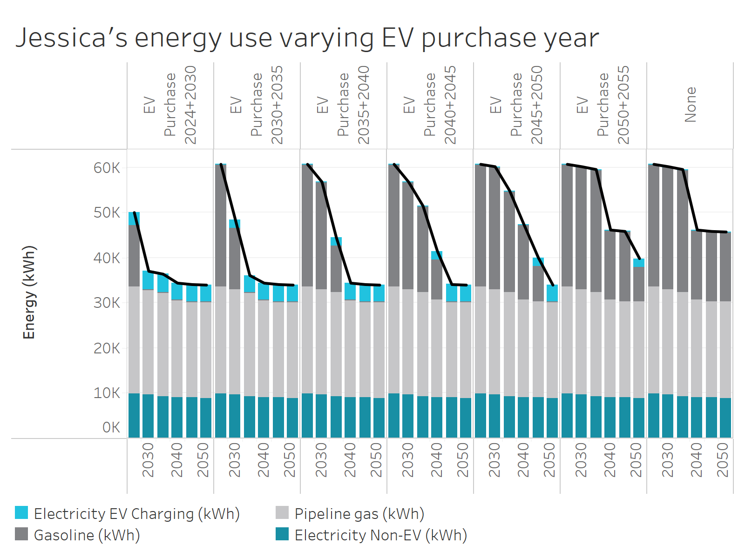
Energy Type | EV Purchase Year | Year | Energy (kWh)
Total | EV Purchase 2024+2030 | 2024 | 12224
Total | EV Purchase 2024+2030 | 2030 | 11976
Total | EV Purchase 2024+2030 | 2035 | 11709
Total | EV Purchase 2024+2030 | 2040 | 11016
Total | EV Purchase 2024+2030 | 2045 | 10855
Total | EV Purchase 2024+2030 | 2050 | 10765
Total | EV Purchase 2030+2035 | 2024 | 26016
Total | EV Purchase 2030+2035 | 2030 | 11510
Total | EV Purchase 2030+2035 | 2035 | 11242
Total | EV Purchase 2030+2035 | 2040 | 11016
Total | EV Purchase 2030+2035 | 2045 | 10855
Total | EV Purchase 2030+2035 | 2050 | 10765
Total | EV Purchase 2035+2040 | 2024 | 26016
Total | EV Purchase 2035+2040 | 2030 | 25768
Total | EV Purchase 2035+2040 | 2035 | 11242
Total | EV Purchase 2035+2040 | 2040 | 11016
Total | EV Purchase 2035+2040 | 2045 | 10855
Total | EV Purchase 2035+2040 | 2050 | 10765
Total | EV Purchase 2040+2045 | 2024 | 26016
Total | EV Purchase 2040+2045 | 2030 | 19786
Total | EV Purchase 2040+2045 | 2035 | 19518
Total | EV Purchase 2040+2045 | 2040 | 11016
Total | EV Purchase 2040+2045 | 2045 | 10855
Total | EV Purchase 2040+2045 | 2050 | 10765
Total | EV Purchase 2045+2050 | 2024 | 26016
Total | EV Purchase 2045+2050 | 2030 | 25768
Total | EV Purchase 2045+2050 | 2035 | 18092
Total | EV Purchase 2045+2050 | 2040 | 17865
Total | EV Purchase 2045+2050 | 2045 | 10855
Total | EV Purchase 2045+2050 | 2050 | 10765
Total | EV Purchase 2050+2055 | 2024 | 26016
Total | EV Purchase 2050+2055 | 2030 | 25768
Total | EV Purchase 2050+2055 | 2035 | 25500
...

12. HP Energy-Slide 44
Energy use excluding vehicles by year of heat pump purchase

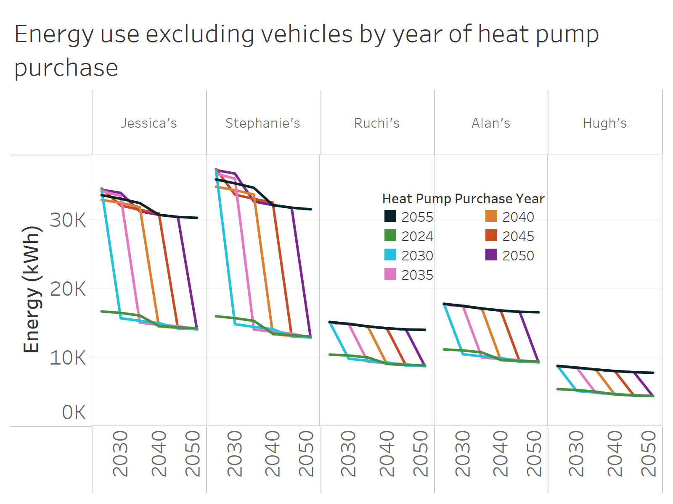
Heat Pump Purchase Year | Household | Year | Energy (kWh)
2055 | Jessica's | 2024 | 33514
2055 | Jessica's | 2030 | 32995
2055 | Jessica's | 2035 | 32364
2055 | Jessica's | 2040 | 30663
2055 | Jessica's | 2045 | 30350
2055 | Jessica's | 2050 | 30231
2055 | Stephanie's | 2024 | 35796
2055 | Stephanie's | 2030 | 35226
2055 | Stephanie's | 2035 | 34589
2055 | Stephanie's | 2040 | 32073
2055 | Stephanie's | 2045 | 31690
2055 | Stephanie's | 2050 | 31461
2055 | Ruchi's | 2024 | 15127
2055 | Ruchi's | 2030 | 14830
2055 | Ruchi's | 2035 | 14485
2055 | Ruchi's | 2040 | 14209
2055 | Ruchi's | 2045 | 14040
2055 | Ruchi's | 2050 | 13989
2055 | Alan's | 2024 | 17755
2055 | Alan's | 2030 | 17438
2055 | Alan's | 2035 | 17078
2055 | Alan's | 2040 | 16785
2055 | Alan's | 2045 | 16599
2055 | Alan's | 2050 | 16531
2055 | Hugh's | 2024 | 8750
2055 | Hugh's | 2030 | 8502
2055 | Hugh's | 2035 | 8234
2055 | Hugh's | 2040 | 8008
2055 | Hugh's | 2045 | 7847
2055 | Hugh's | 2050 | 7757
2024 | Jessica's | 2024 | 16649
2024 | Jessica's | 2030 | 16441
2024 | Jessica's | 2035 | 16066
2024 | Jessica's | 2040 | 14543
2024 | Jessica's | 2045 | 14341
...

13. HP Costs-Slides 45,46,47
Estimated bills as percentage of no heat pump purchase for a 2030 heat pump purchase (assumes no EV purchase)

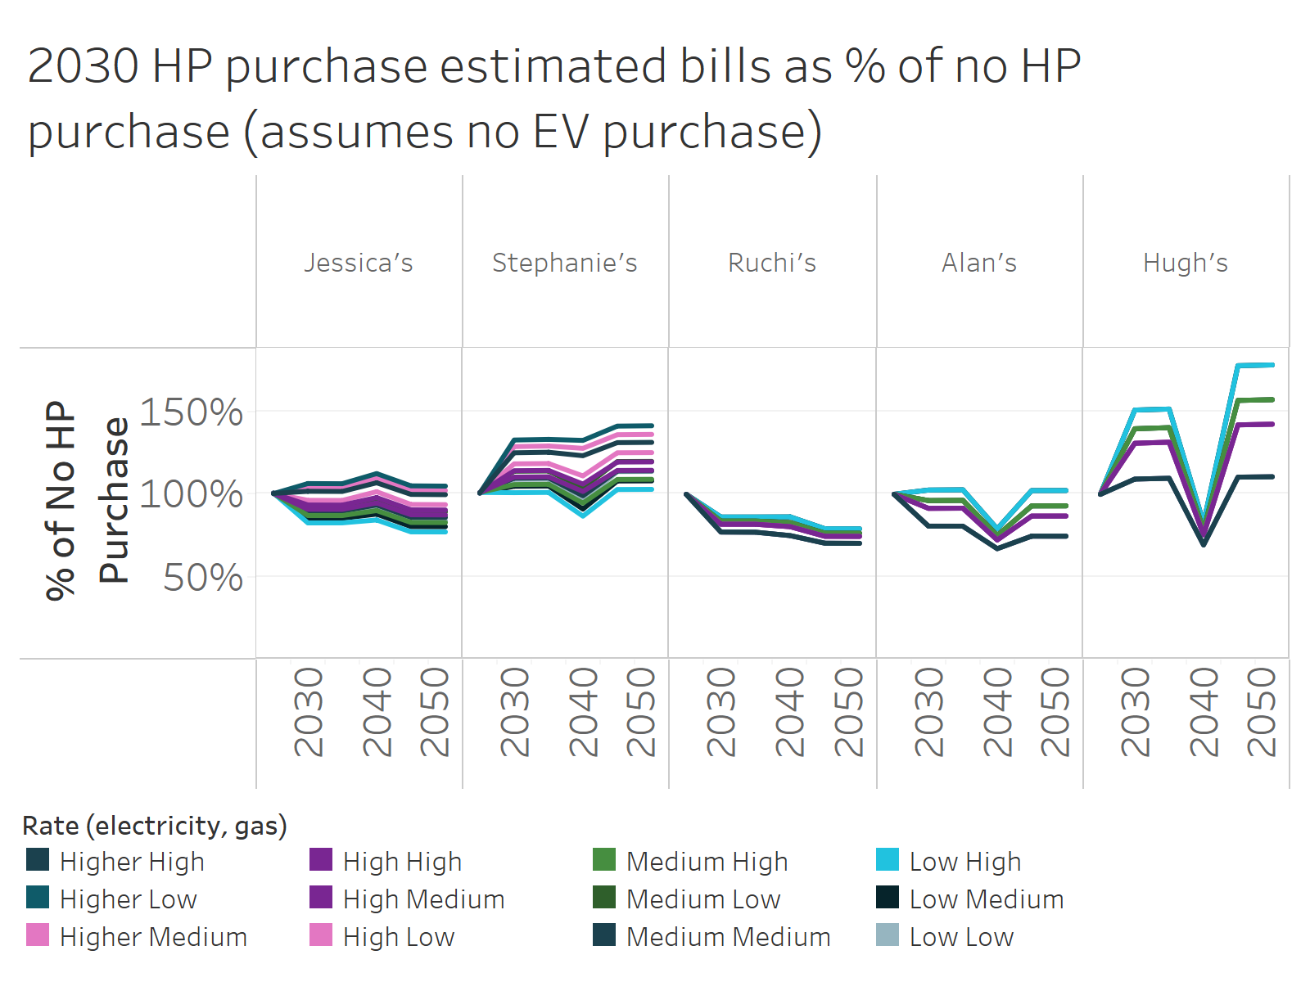
Household | Rate (electricity, gas) | Year | Pct of No Purchase
Jessica's | High High | 2024 | 101%
Jessica's | High High | 2030 | 91%
Jessica's | High High | 2035 | 91%
Jessica's | High High | 2040 | 95%
Jessica's | High High | 2045 | 87%
Jessica's | High High | 2050 | 87%
Jessica's | High Low | 2024 | 100%
Jessica's | High Low | 2030 | 96%
Jessica's | High Low | 2035 | 96%
Jessica's | High Low | 2040 | 102%
Jessica's | High Low | 2045 | 94%
Jessica's | High Low | 2050 | 94%
Jessica's | High Medium | 2024 | 101%
Jessica's | High Medium | 2030 | 93%
Jessica's | High Medium | 2035 | 93%
Jessica's | High Medium | 2040 | 98%
Jessica's | High Medium | 2045 | 91%
Jessica's | High Medium | 2050 | 90%
Jessica's | Higher High | 2024 | 100%
Jessica's | Higher High | 2030 | 102%
Jessica's | Higher High | 2035 | 102%
Jessica's | Higher High | 2040 | 107%
Jessica's | Higher High | 2045 | 100%
Jessica's | Higher High | 2050 | 100%
Jessica's | Higher Low | 2024 | 100% | Rates | Electricity ($/kWh) | Gas ($/therm)
Jessica's | Higher Low | 2030 | 106% | Higher | $0.40 | N/A
Jessica's | Higher Low | 2035 | 106% | High | $0.20 | $1.50
Jessica's | Higher Low | 2040 | 113% | Medium | $0.15 | $1.25
Jessica's | Higher Low | 2045 | 105% | Low | $0.10 | $1.00
Jessica's | Higher Low | 2050 | 105%
Jessica's | Higher Medium | 2024 | 100%
Jessica's | Higher Medium | 2030 | 104%
...

