Overview
Welcome to PayBee's moves management template 👋 On this first sheet, we've shared a visual of the donor cultivation life cycle as well as a handy chart that breaks down the 5 stages into various moves that you might choose to make during each stage. We've also included tools that can help you be successful in each step. The subsequent sheets provide templates for planning in each of these 5 stages. To edit directly on this template, just click "File" → "Make a Copy" We highly recommend using a CRM instead of Google Sheets to manage your donor information, but we hope this template can help you start planning in the right direction! Learn more about moves management and the 5 stages of an effective donor life cycle →
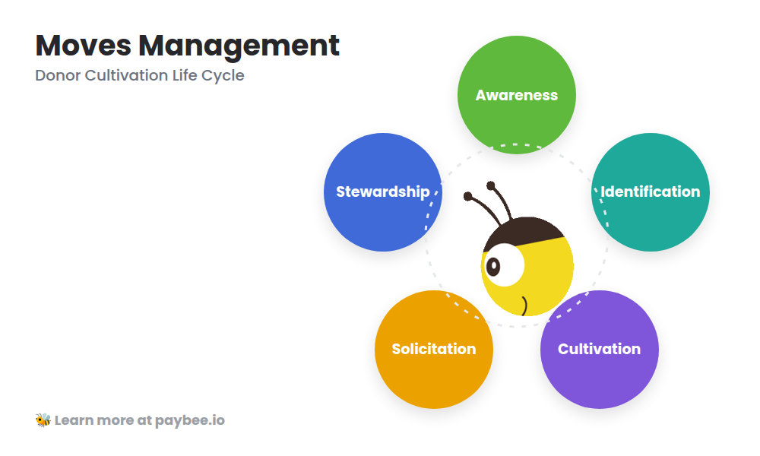

Stage | Moves | Tools
Awareness | Host engaging events | Social media
 | Hone your story | Event & ticket management software
 |  | Video
 |  | Landing page
 |  | Email
Identification | Audit your current donor list | CRM
 | Make your new donor wishlist | Wealth screening sites
 | Determine your goals | Search engines
Cultivation | Leverage existing relationships | Personalized texts, emails, & videos
 | Give individual attention | Volunteer & attendee tracking
 | Make non-monetary asks
 | Personalize your mass communication
Solicitation | Specify your ask | Payment processor
 | Set the stage | Donation forms
 |  | Ticketed events
 |  | Peer-to-peer and team fundraising
 |  | SMS
Stewardship | Say thank you | Automated receipts
 | Make it a team effort | Automated text blasts
 | Keep the gratitude train rolling | Personalized thank yous

