Instructions
Emergency and Immediate Works (Roads) Instructions
 |  | Version 10
Introduction
This spreadsheet has been developed to allow a user (be it a Local Government, consultant or otherwise) to undertake an efficient and consistent damage pickup of a road network asset following a disaster event. A similar spreadsheet, suitable for all assets, is available, Template - Emergency and Immediate Works. It can also be used for road assets, if the user prefers. The intention of this spreadsheet is to record individual damage items and assign a standard remediation method. The damage items contained in this spreadsheet are for Emergency Works or Immediate Reconstruction Works, which a Shire may undertake urgently. Evidence of the affected asset needs to still be provided along with an invoice of the reconstruction cost. Emergency Works and Immediate Reconstruction Works are based on actual costs. Immediate Reconstruction Works - Reconstruction works, following an eligible disaster, that are undertaken within three months of access to the dammaged asset, to provide trafficable access where the asset was returned to its original state before the disaster event. Emergency Works - Temporary and/or partial reconstruction works, following an eligible disaster, that are undertaken within three months of access to the damaged asset, to provide trafficable access where further work is still required at a later time to restore the asset to its original state before the disaster event. Emergency works can be undertaken at the same time as Immediate Reconstruction Works, if required. It is recommended to take photographs of the damaged asset and ultise a laptop (or phone with Excel) to record items in the field. Additionally, Fulton Hogan's SLKMeter app downloaded to a smartphone will greatly assist in identifying roads and current user location with reference to Straight Line Kilometres (SLK).

Under review

Step 1 - Descriptors
- Within the tab 'Descriptors', review and edit step 1 (Definitions & Descriptors) as the priority. At this stage the user will only need to familiarise themselves with the current descriptors and add any further items they deem necessary. Each of the current descriptors can be overwritten or the Custom fields may be changed instead.

Step 2 - Road Summary
- Complete the relevant fields for referencing the project, applicant details etc. - Click the empty cell for 'Road Name' and enter the road name that the user is working on (this is located at the bottom of the form) - Enter the 'Road Number' if known.

Step 3 - Damage Pickup
- In the cell 'Road Name', select the road the user is working on from the drop-down list. This drop-down list is automatically populated using the 'Road Name' list in the tab 'Road Summary' - Click the empty blue cell and enter the SLK value that the damage item begins at - Move left-to-right along the worksheet, filling in the relevant data required for the individual damage item. Some cells will have the text greyed out, these contain formulas and should not be overwritten. - FW=Full Width; LHS=Left Hand Side; RHS=Right Hand Side; CL=Centreline - Provide the actual costs of the Immediate or Emergency works incurred, along with an invoice reference number and date of works completed - Once the item is recorded, enter the finish SLK - If there is another damage item to record on this road, move to the next row and repeat the process, beginning with the empty blue cell - If there are no other damage items to record on this road, return to the tab 'Road Summary' to enter the next road name

General Rules
- Logging of damage by SLK's can be in either direction, i.e. the 'Start SLK' can be larger than the 'End SLK' to allow ease of travelling direction for pickup - Only one row for each damage item can be used, i.e.. they cannot be combined unless a unit rate has been designed for that scenario, e.g. drain scour AND shoulder scour - If "copy/pasting" individual cells, use the "Paste As Text" but don’t overwrite cells with greyed font (with equations) - If a damaged asset is too detailed for general remediation, select "Refer to Comments" for damage description and then fill out Comments section with enough detail/dimensions for reference. The item will be highlighted red to prompt the user that the damage item is non-standard. - To enter locations for single items like culverts, leave the 'End SLK' blank or equal to the 'Start SLK' - Rows can be inserted (see methodology below), we advise damage items are kept in chronological/SLK order

To Unprotect / Reprotect worksheet
1. Click Review > Unprotect
2. All cells will become editable, be careful not to affect formulas while unprotected

3. Reprotect the worksheet by clicking Review > Protect > Ok

To Insert a Row
1. Unprotect worksheet (Review > 'Unprotect'), making sure that once the row is inserted, the sheet is reprotected to
avoid accidental changes to spreadsheet structure
2. Right-click on the row and click "Copy" | 3. Right-click on the same row and click "Insert copied cells"
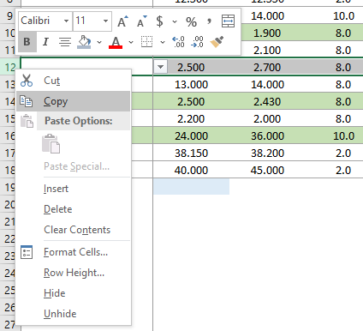
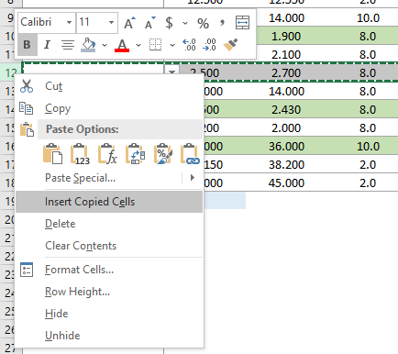

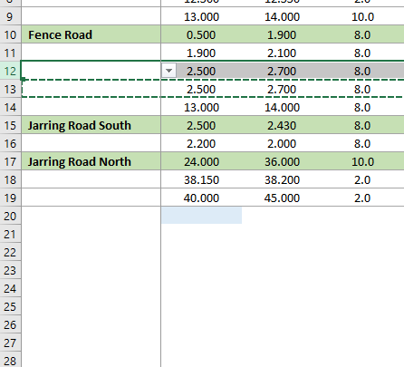
4. Row will be inserted above, overwrite data as though
it’s a new entry

Partially filled example of the tab 'Damage Pickup'

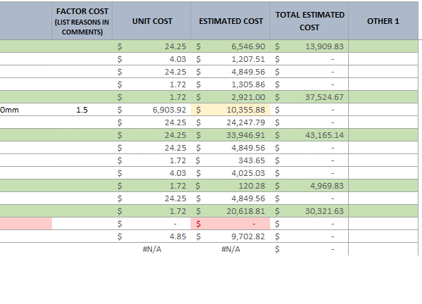

Event Overview
Under review
Disaster Recovery Funding Arrangements Western Australia
Immediate & Emergency Works - Event and Assessment Overview
<Insert a description of the event and its impacts within the local government area> <Include time and date of impact> <Include a high level summary of the location of damaged assets> <Include an overview of the assessment process e.g. all essential public assets impacted by eligible disaster event AGRNXXX in the <insert name of local government> were inspected and assessed by [insert name and title] and [insert name and title] for the purpose of this claim [on insert day and date] or [over the period XX-XX].> This overview is not required to be any longer than two or three paragraphs.

Road Summary
Disaster Recovery Funding Arrangements Western Australia
Immediate & Emergency Works Summary - Based on actual costs
Asset Owner Project Reference
AGRN
Under review
Event Name (DRFAWA)
Name of Asset Owner
Contact Name
Contact Phone Number
Date of Activation
Date of Access to Site
Completion Date of Works (must be within 3 months of access to site)

Certification
I hereby certify that the information provided in this Emergency and Immediate Works Form and supporting invoices and evidence of payment is correct. The damage to essential public assets as described was a direct result of the eligible disaster referenced above.

Signature: |  |  | Signature:

Name: |  |  | Name:

Designation: |  |  | Designation:

Date: |  |  | Date:

Number of Roads |  |  | IMMEDIATE WORKS ONLY TOTAL: |  | $-
0 |  |  | EMERGENCY WORKS ONLY TOTAL: |  | $-
 |  |  | TOTAL PROJECT COST: |  | $-

ROAD # | ROAD NAME | SECTION (SLK) FROM | SECTION (SLK) TO | NUMBER OF ITEMS | TOTAL COSTS | IMMEDIATE | EMERGENCY

