Start here - Instructions
Risk in projects
A comprehensive risk management in a project is sometimes needed to correctly identify, analyze,
and prioritize risks in projects and change initiatives. The basis of the methodology in this templet is the w
ell known "minirisk". The method is often used in groups and helps project managers and teams gain a
shared understanding of which risks may affect the project’s time, cost, quality, or outcomes.
How use our Extended risk templet
Preparation
Read through the instruction and complete the information under "Document info". The scales project phases can be adopted to suit your specific project. This should be completed before the next step - Risk workshops.
Risk Workshop
1. Main questions
A moderator is appointed to lead the process and selects a key question for the group to focus on, for example: “What could prevent the project from being completed on time, within budget, and with the intended scope?” These questions are written visibly for everyone.
2. Identify risks
Participants individually write down as many risks as they can think of, where each statement should begin with “There is a risk that…” and include the consequence for the project, such as “…which may lead to…” This ensures all inputs are actual risks and not problem descriptions or proposed solutions, if inputs are not risk DO NOT throw them in the bin directly - they might be relevant after rephrasing, or for other discussion such as scope or quality.
3. Collect and categorize
The moderator collects all risks, reads them aloud, and ensures everyone understands them. Duplicate risks are merged, and the risks are grouped into natural categories.
4. Prioritize the risks
Each risk is assessed in two dimensions:
Probability (1–5) – how likely it is that the risk will occur
Consequence (1–5) – how serious the consequences would be if it occurred - This can be done form several perspectives (Time, Cost, Quality)
The level of risk or risk value is calculated as probability × highest impact. Higher values mean higher priority. It is common to address risks with a value of 12 or higher first.
5. Identify mitigation actions
Once the risks are prioritized, the group continues by developing mitigation actions for the most significant risks. The focus is on preventing or reducing the effects of the risks with the highest risk values.
Risk report
Basted on you inputs the templet generates a risk report for your project with a visual risk matrix, highest risks and also expected costs and mitigations.
Why Use this methodology?
more comprehensive then just "minirisk" – works well in complex in a project environment
inclusive – all participants contribute their perspectives
structured – risks are sorted clearly and objectively - makes room for more perspectives than monetary value
prioritizing – helps the project team focus on what is most important to address
control - give you a overview of both risks and mitigating actions.
The method is suitable for everything from small teams to larger project groups and is often used throughout the project to make sure you have an adequate risk management in you project.
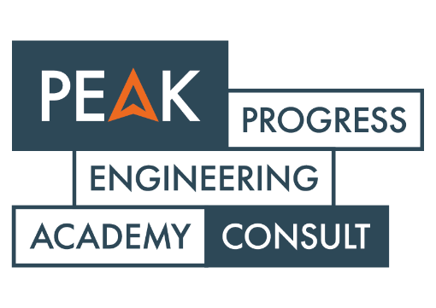

Identification |  |  |  | Risk assessment |  |  |  | Risk values |  |  |  | Mitigation |  |  |  |  |  | Control
ID | Phase | Risk | Consequence | Probability (1-5) | Consequence Time (1-5) | Consequence Cost (1-5) | Consequence Quality (1-5) | Level of risk | Likelihood (%) | Impact (Cost) | Level of Risk (Cost) | Risk Owner | Treatment Strategy | Treatment Action | Due date for ongoing measure | Treatment Cost | Completed actions | Date of Identification | Date last updated | Status | Comment
Risk ID | Project phase the risk belongs to | Risk description (Should begin with 'There is a risk that…') | Consequence description (Should begin with 'Which leads to…') | Probability of occurrence (1–5) | Schedule impact consequence (1–5) | Cost impact consequence (1–5, company perspective) | Quality impact consequence (1–5) | Risk score (Probability × highest consequence value) | Probability translated to percentage | Cost consequence translated to monetary value | Risk value (for budgeting contingency) | Responsible organization or person | Chosen strategy (1 Avoid / 2 Reduce / 3 Transfer / 4 Accept) | Planned actions to mitigate the risk | Date when action should be completed | Cost to perform the mitigation | List of completed actions | Date when the risk first was identified | Date of latest update | Risk status | Comment - if needed

