BUDGET
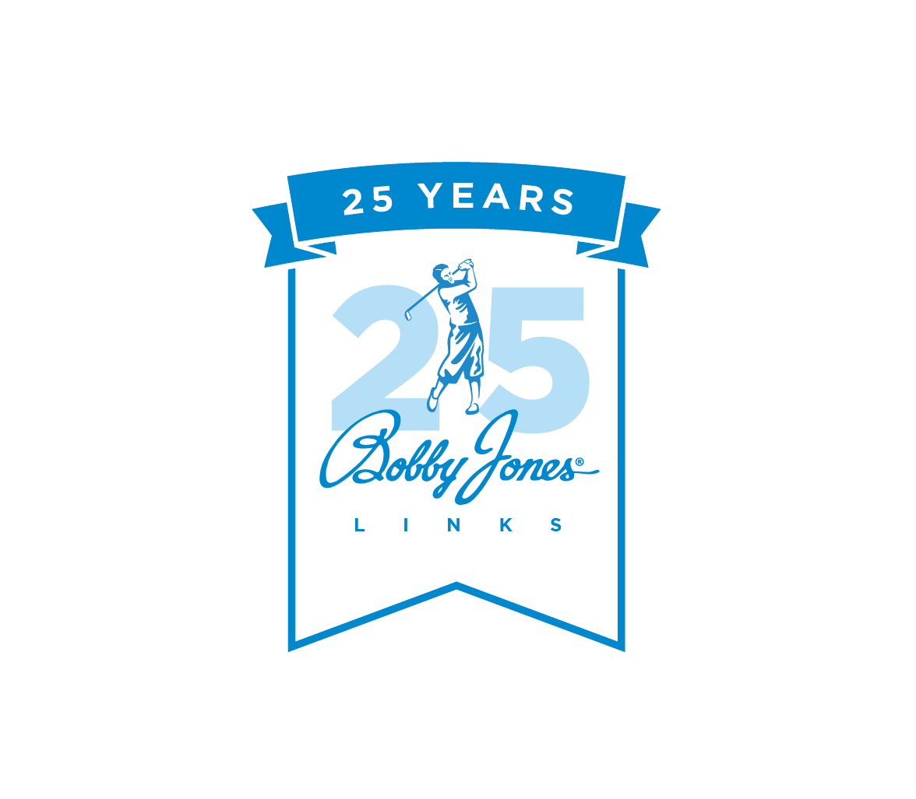

BUDGET FOR THE FISCAL YEAR BEGINNING | 2025-01-01 |  |  |  |  |  | CLUB NAME | Club Name Here

BANQUET REVENUE | 2025-01-01 | 2025-02-01 | 2025-03-01 | 2025-04-01 | 2025-05-01 | 2025-06-01 | 2025-07-01 | 2025-08-01 | 2025-09-01 | 2025-10-01 | 2025-11-01 | 2025-12-01 | Total
Food |  |  |  |  |  |  |  |  |  |  |  |  | -
Beverage |  |  |  |  |  |  |  |  |  |  |  |  | -
Beer |  |  |  |  |  |  |  |  |  |  |  |  | -
Liquor |  |  |  |  |  |  |  |  |  |  |  |  | -
Wine |  |  |  |  |  |  |  |  |  |  |  |  | -
Other |  |  |  |  |  |  |  |  |  |  |  |  | -
Room Rental |  |  |  |  |  |  |  |  |  |  |  |  | -
Service Charge |  |  |  |  |  |  |  |  |  |  |  |  | -
Total Banquet Revenue | - | - | - | - | - | - | - | - | - | - | - | - | -

Banquet Calendar & Pace Report Instructions
Enter Fiscal Year start date and Club Name in the dark blue shaded boxes above.
Enter budgeted revenues by month and category in the shaded area above. This information is available from the F&B tab of the operating budget.
Input reservation information in the appropriate month's tab including:
*Group Name
*Date of event in MM/DD/YY format, the Day of week will populate automatically.
*Amount of any Deposit provided and the date of the deposit.
*Contact information including Name, Phone, Email.
Input the Revenue Distribution
*Enter estimates when the event is booked.
*Once the event is held, enter the actual revenues and check the Final Box.
*When the Box is checked, the green shading is removed.
The Summary tab will include all revenues for upcoming and final(realized) events.

Summary
Club Name Here Banquet Summary

YTD PACE vs. Budget
2025-01-01 | PACE | Budget | % of Budget
January 2025 | - | - | 0%
February 2025 | - | - | 0%
March 2025 | - | - | 0%
April 2025 | - | - | 0%
May 2025 | - | - | 0%
June 2025 | - | - | 0%
July 2025 | - | - | 0%
August 2025 | - | - | 0%
September 2025 | - | - | 0%
October 2025 | - | - | 0%
November 2025 | - | - | 0%
December 2025 | - | - | 0%
TOTAL | - | - | 0%

NOTES:

TREND
Select the report desired.

 |  |  |  |  |  |  |  |  | TRUE | TRUE | TRUE | TRUE
BANQUET REVENUES | Jan-25 | Feb-25 | Mar-25 | Apr-25 | May-25 | Jun-25 | Jul-25 | Aug-25 | Sep-25 | Oct-25 | Nov-25 | Dec-25 | 8+4 Trend
Food | - | - | - | - | - | - | - | - | - | - | - | - | -
Beverage | - | - | - | - | - | - | - | - | - | - | - | - | -
Beer | - | - | - | - | - | - | - | - | - | - | - | - | -
Liquor | - | - | - | - | - | - | - | - | - | - | - | - | -
Wine | - | - | - | - | - | - | - | - | - | - | - | - | -
Other | - | - | - | - | - | - | - | - | - | - | - | - | -
Room Rental | - | - | - | - | - | - | - | - | - | - | - | - | -
Service Charge | - | - | - | - | - | - | - | - | - | - | - | - | -
Total Banquet Revenue | - | - | - | - | - | - | - | - | - | - | - | - | -

Revenue Distribution
999 | Food | - |  | 1 | #N/A | #N/A
999 | Beverage | - |  | 2 | #N/A | #N/A
999 | Beer | - |  | 3 | #N/A | #N/A
999 | Liquor | - |  | 4 | #N/A | #N/A
999 | Wine | - |  | 5 | #N/A | #N/A
999 | Other | - |  | 6 | #N/A | #N/A
999 | Room Rental | - |  | 7 |  | #N/A
999 | Service Charge | - |  | 8 |  | #N/A

