copy
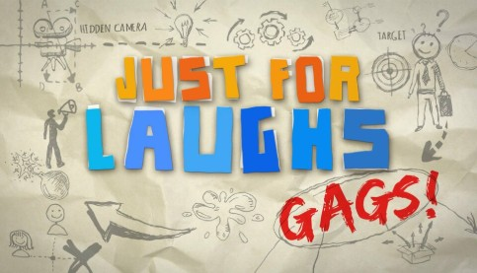

Episode: | 036 - Puzzled Pranks |  |  | Air Date: 02/19/2026
Rating: | TV-G |  |  |  | Total Run Time: |  | 28:30
 |  |  | DURATION |  | IN | OUT | LENGTH
SEGMENT 1 |  |  |  |  | 0:00:00 | 0:06:22 | 0:06:22
COMMERCIAL BREAK 1 |  |  |  |  | 0:06:22 | 0:08:24 | 0:02:02
1A-D | LIFELOCK / (800) 712-0434 | 1035613519H | 2:02

SEGMENT 2 |  |  |  |  | 0:08:24 | 0:14:41 | 0:06:17
CC BUMPER / SPOTS |  |  | :03 |  | 0:14:41 | 0:15:04 | 0:00:23
 | FAITH BOOK / (800) 912-8003 | CFP108889128003H | :10
 | NATIONAL AUDIO / (800) 451-6030 | ABN108884516030H | :10
COMMERCIAL BREAK 2 |  |  |  |  | 0:15:04 | 0:17:36 | 0:02:32
2A-B | LIFELOCK / (800) 994-6750 | 1082599524H | :60
2C | NURSING HOME / (800) 659-2444 | PNHI3071PIH | :30
2D-E | LOCAL (1:02) | BLACK | 1:02

SEGMENT 3 |  |  |  |  | 0:17:36 | 0:23:11 | 0:05:35
COMMERCIAL BREAK 3
3A-F | LOCAL (3:02) | BLACK | 3:02 |  | 0:23:11 | 0:26:13 | 0:03:02
BUMPER / PROMO SPOTS |  |  | :03 |  | 0:26:13 | 0:26:36 | 0:00:23
 | FAITH BOOK / (800) 912-8003 | CFP108889128003H | :10
 | NATIONAL AUDIO / (800) 451-6030 | ABN108884516030H | :10

SEGMENT 4 (Closing / Credits) |  |  |  |  | 0:26:36 | 0:28:30 | 0:01:54

Please contact AUTUMN (autumn@pmi.tv) or BC (bcelello@pmi.tv) at PMI #412.281.5900 with any questions regarding this program.

This info can also be downloaded by using this direct link:
https://www.pmi.tv/show/just-for-laughs-gags

