Instructions
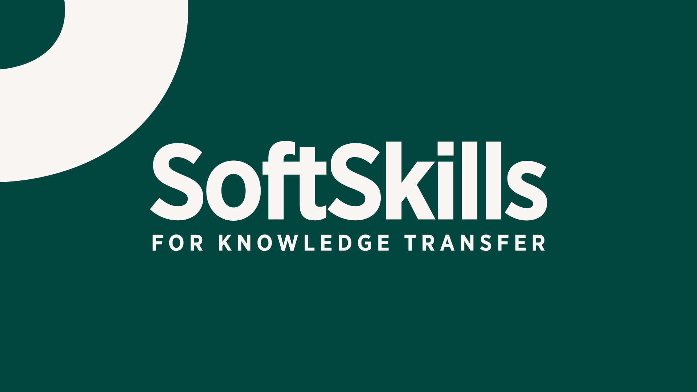
KTSoftSkills - Soft Skills for Knowledge Transfer
Project n. 2022-1-IT02-KA220-HED-000089663

KT Soft Skills Self-Assessment Tool

How to use this tool:
1. Go to the 'Self-Assessment' sheet.
2. Enter your score (1–7) for each question in column B.
3. Scores must be between 1 (Strongly Disagree) and 7 (Strongly Agree).
4. After completing all questions, go to the 'Results' sheet to see your scores, levels, feedback, and radar chart.

For the interactive version of the self-assessment, you can contact the project coordinator prof. Elisa Villani e.villani@unibo.it

 |  | CC-BY-SA. This license enables reusers to distribute, remix, adapt, and build upon the material in any medium or format, so long as attribution is given to the creator. The license allows for commercial use. If you remix, adapt, or build upon the material, you must license the modified material under identical terms. CC BY-SA includes the following elements:

 | BY: credit must be given to the creator.

 | SA: Adaptations must be shared under the same terms.

This project has been funded with support from the European Commission. This publication reflects the views only of the authors, and the Commission cannot be held responsible for any use which may be made of the information contained therein.

Results
Skillset | Score | Level | Feedback
Teamwork | 0 | 1 | According to your self-assessment, in this group of soft skills you demonstrate a low level of expertise and capabilities, and your potential for improvement is high. The training in this module seems critical for you.
Networking | 0 | 1 | According to your self-assessment, in this group of soft skills you demonstrate a low level of expertise and capabilities, and your potential for improvement is high. The training in this module seems critical for you.
Socio-Cultural Skills | 0 | 1 | According to your self-assessment, in this group of soft skills you demonstrate a low level of expertise and capabilities, and your potential for improvement is high. The training in this module seems critical for you.
Context Awareness and Broad Outlook | 0 | 1 | According to your self-assessment, in this group of soft skills you demonstrate a low level of expertise and capabilities, and your potential for improvement is high. The training in this module seems critical for you.
Negotiation | 0 | 1 | According to your self-assessment, in this group of soft skills you demonstrate a low level of expertise and capabilities, and your potential for improvement is high. The training in this module seems critical for you.
Communication | 0 | 1 | According to your self-assessment, in this group of soft skills you demonstrate a low level of expertise and capabilities, and your potential for improvement is high. The training in this module seems critical for you.
Problem Solving | 0 | 1 | According to your self-assessment, in this group of soft skills you demonstrate a low level of expertise and capabilities, and your potential for improvement is high. The training in this module seems critical for you.
Personal Development | 0 | 1 | According to your self-assessment, in this group of soft skills you demonstrate a low level of expertise and capabilities, and your potential for improvement is high. The training in this module seems critical for you.

KT Soft Skills Profile

