#1 Instructions
Intro To Stakeholder Mapping |  | Navigating This Document
Welcome to Gloat's Stakeholder Mapping sheet. This document serves as a comprehensive overview of the key stakeholders involved in the implementation, and utilization of Gloat. Effective stakeholder management is essential to success, and this document aims to provide clarity on who these stakeholders are, what their interests and concerns might be, and how we can engage with them strategically. |  | 1. You've read this tab, great! 2. See the next tab 'commitment curve and sample audiences' section for guidance on how to use the commitment curve and sample audiences to consider 3. Fill out the master stakeholder mapping tab 4. Last, ensure your change champion network and early adopter groups / individuals are highlighted as needed for soft and full launch

Goals For Stakeholder Mapping
Build Strong Relationships: By understanding our stakeholders' needs and expectations, we can cultivate strong and positive relationships that foster collaboration and support. Mitigate Risks: Identifying potential sources of opposition or concerns early in the project allows us to address them proactively, reducing risks to project success. Optimize Communication: Tailoring our communication strategies to the preferences and priorities of each stakeholder group ensures effective and efficient information dissemination. Maximize Value: By aligning our efforts with the interests of our stakeholders, we can optimize the value Gloat delivers to the organization. | 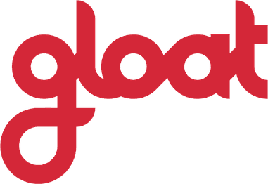

#2 Committment Curve & Sample A
Stakeholder Commitment Curve |  | Key Stakeholder Audiences
The Stakeholder Commitment Curve is a graphical representation that illustrates the varying levels of commitment and engagement of different stakeholders throughout the lifecycle of a project or initiative. This will help your team understand the evolving dynamics of stakeholder involvement, identify potential issues, and tailor their communication and engagement strategies accordingly. To use, simply review the definitions below and input where the stakeholders are 'today' and where you would like them to be in the 'future' (columns F & G in the 'Master Stakeholder Mapping Tab') |  | Stakeholders | Change Champions | Early Adopters
 | 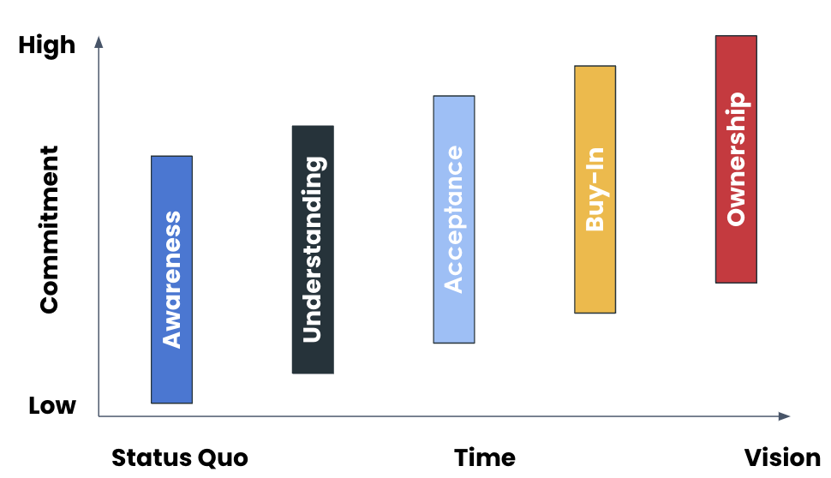 | Who are they? A stakeholder is anyone whose acceptance, buy-in or ownership is needed to launch. What commitment is required from them? There are differing levels of commitment for each stakeholder group. We have made some initial suggestions on Tab 3: Master Stakeholder Mapping. It's important for you to review and update based on your organisation. In general, we want stakeholders to spread the word to their teams, ideally use the platform and create a piece of 'Work' and finally help the core team link the initiative to other business priorities. How will we select them? We have created a starter list for you on Tab 3: Master Stakeholder Mapping To ensure you have covered everyone, ask yourself: - Who can obstruct the project? - Who will you rely on for support? It's important to speak with their managers/leaders - Who has been involved in this type of project in the past? | Who are they? Your Change Champions are an extension of the core project team. They are your eyes and ears on the ground and help you drive change locally. Typically these are: - Regional Heads of HR - Regional Heads of Recruitment - Regional Heads of L&D What commitment is required from them? - Drive adoption of the platform locally - Tailor global comms and assets to local needs - Engage local stakeholders - Run local training sessions - Provide feedback to the Global Core Team Time commitment of 2-3 hours per month, over the first 6 months post-launch How should we select them? Core Project Team to select type of employee best placed to champion the change and seek approval from relevant stakeholders e.g. Head of HR | Who are they? 5-7% of the total launch population A representative group from the launch population i.e. not all from one business unit A mixture of managers and individual contributors Influential people in the business - we want them to spread the word to others What commitment is required from them? Attend 2 training sessions Be the ‘go-to’ person in their business area for the talent marketplace launch Create a detailed profile (5/5 completion rate) Publish at least 1 piece of 'Work' to the marketplace Provide feedback and suggestions for improvement Time commitment of 2.5 hours, all inclusive, over the period of the soft launch How should we select them? There are two options for selection: 1. Ask key stakeholders to select groups and individuals who they believe would be effective in this role 2. Send an email to entire launch population offering early registration for those who would be interested in volunteering to get advanced access to the platform

Stages | Definitions
Awareness | Aware of transition vision and objectives
Understanding | Understands broad impacts and timing
Acceptance | Allocates time to support transition readiness activities
Buy-In | Actively communicates changes
Ownership | Owns the change

Stage Shifts What's happening from one step to the next? | Resulting Actions
Not Aware → Aware | Email to let them know we are launching a Talent Marketplace & why
Aware → Understanding | Briefing session which outlines the vision for the talent marketplace, how it works, the benefits and a short demo (as needed)
Understanding→ Acceptance | Tailored briefing session which includes personalised benefits & asks. For example include business related project examples, HR data on their attrition rates
Acceptance → Buy-In | Update regularly on progress and system templates created for stakeholders to take action e.g. provide project template, share example video script or email template for their communications
Buy-In → Ownership | Stakeholders are an extension of the core team. They attend regular SteerCo meetings and team provides materials for them to take with their teams/stakeholders e.g. success stories, responses to pushback

