Instructions
Workforce Analytics Capacity Assessment
The Workforce Analytics Capacity Assessment is a developmental self-assessment tool that helps organizations examine their capacity and practices around using workforce data. It is best completed with input from key people such as leaders, managers, and HR and IT specialists, and the results will help identify strengths to build on and opportunities for growth. For background on why workforce analytics matters, see the Workforce Analytics Theory of Change, and for details on completing the assessment.
Workforce Analytics Theory of Change
An interactive online version of the self-assessment is also available.
https://public.tableau.ucla.edu/views/WorkforceAnalyticsMaturityModel-AssessmentTool/Introduction
Click an Analytics Capacity below to assess
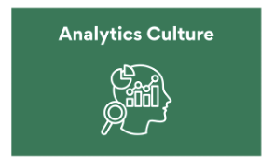 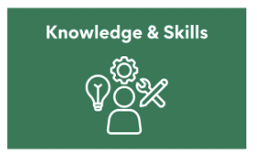  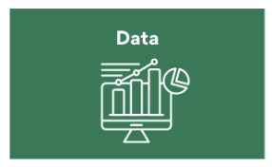 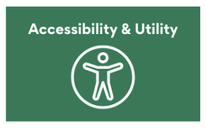 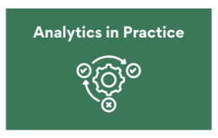
Instructions
1. Navigate through each worksheet to complete items for all six capacities.
2. Gather consensus and enter responses for each of the Capacity and Practice Items.
3. Space is available to identify any sources of evidence utilized to make ratings and to capture any additional notes.
4. Review calculated maturity levels for each of the capacities.
5. Ratings for all capacities are summarized in the Overall Rating worksheet.
6. This is a pilot effort and we would love to hear how organizations are using the tool! If willing, please share your completed worksheet with contact.qic.wa@gmail.com.
7. A survey link is also available to share your feedback.

Maturity Level Overview
Inactive | Limited | Developing | Advanced | Strategic
Workforce analytics capacities are minimal or nonexistent. Expectations, skills, tools, data, and practices related to workforce analytics are largely absent, informal, or unstructured. | Workforce analytics capacities are present in some areas but are narrow and inconsistent. Expectations, skills, tools, data, and practices related to workforce analytics may exist but are fragmented, applied unevenly, or limited to specific people, purposes, or requirements. | Workforce analytics capacities are partially established and uneven across the organization. Expectations, skills, tools, data, and practices related to workforce analytics exist in several areas, but gaps in consistency, coverage, and integration limit their effectiveness for workforce planning and management. | Workforce analytics capacities are well established and function reliably across the organization. Expectations, skills, tools, data, and practices related to workforce analytics are sufficient to inform workforce planning and management, though minor gaps in depth, breadth, or coverage are evident. | Workforce analytics capacities are comprehensive and deeply embedded across the organization. Expectations, skills, tools, data, and practices related to workforce analytics are integrated and trusted, consistently high in quality, and proactively used to guide workforce planning, decision-making, and continuous improvement.

