Main
Feed Rate Calculator for Routing Applications

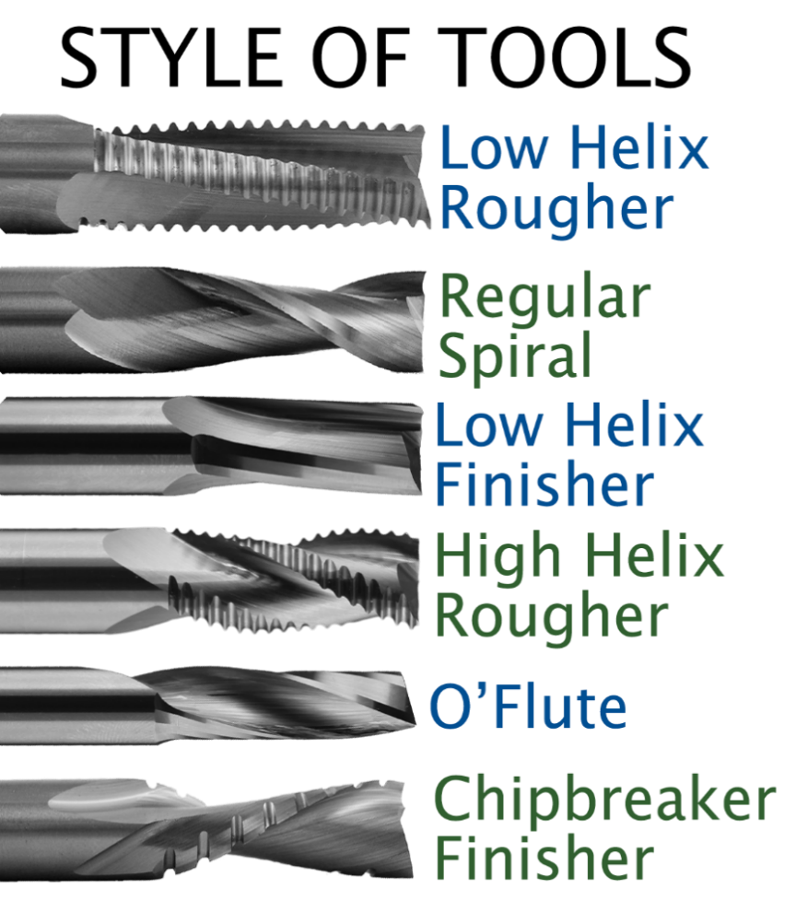
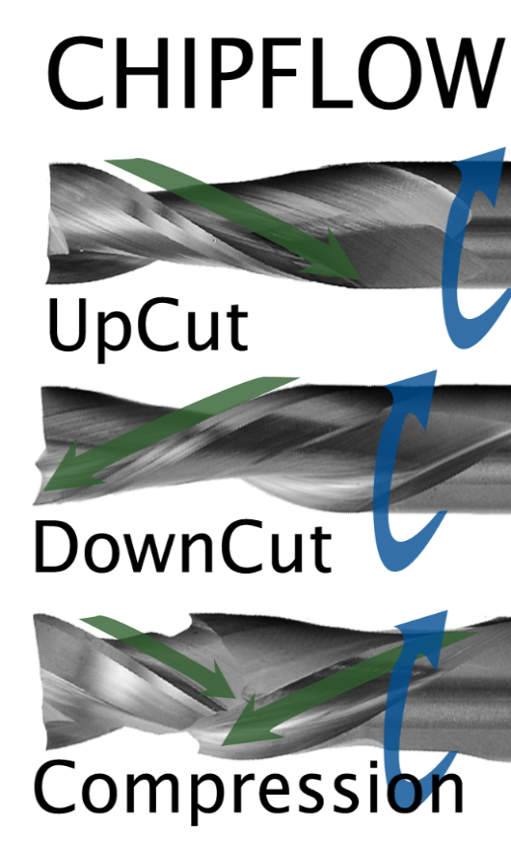
 | Input information in Yellow Cells
 | RPM | 20000
 | Metric or Imperial | Imperial
 | Material Being Cut | Hard Plastic
 | Diameter of tool | 0.375 | Inches
 | # of wings | 2
 | ChipFlow | Compression
 | Style Of Tool | Regular
 | Depth / Type of Cut | Plow Cut 3x Diameter and up
 | **If error message occurs tool geometry is not possible
 | Feed Rate | 193 | In/min
 | Chip Load | 0.010
 | Surface Feet Min | 1963

 | PLEASE NOTE |  | Recommended SFM

 | This Sheet is intended to give you approximate starting values for Feed-Rate and RPM. Many different routing application are possible and may fall outside the recommendations or capabilities of this chart. To maximize tool life your feed-rate should be as fast as possible in comparison to your RPM. Some materials may require specific Surface Feet Per Minute removal. |  | Solid Wood | 1400-1800
 |  |  | MDF, LDF, HDF | 1500-2200
 |  |  | Plywood | 1500-2200
 |  |  | Melamine | 1500-2200
 |  |  | Soft Plastic | 1400-2000
 |  |  | Hard Plastic | 1400-2000
 |  |  | Composites | 800-2000
 |  |  | Aluminium | 1000-1500

