Price List for all parts
- for spare parts of CO2 Laser in 2023
No. | Description | Model | More Specification | Image
1 | Yongli Laser Tube | T0 | Rated Output Power: 38W Max. Output Power: 40W Length: 700mm Diameter: 55mm Catalyst: Yes Warranty Period: 270 days
2 | Yongli Laser Tube | T2 | Rated Output Power: 45W Max. Output Power: 50W Length: 800mm Diameter: 55mm Catalyst: Yes Warranty Period: 270 days | 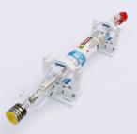
3 | Yongli Laser Tube | 1200-G | Rated Output Power: 65W Max. Output Power: 75W Length: 1200mm Diameter: 60mm Catalyst: Yes Warranty Period: 90 days
4 | Reci Laser Tube 75-90W | W1 | Rated Output Power: 75W Max. Output Power: 90W Length: 1110mm Diameter: 80mm Catalyst: Yes Warranty Period: 540 days
5 | Reci Laser Tube 90-100W | W2 | Rated Output Power: 90W Max. Output Power: 100W Length: 1250mm Diameter: 80mm Catalyst: Yes Warranty Period: 540 days
6 | Reci Laser Tube 100-130W | W4 | Rated Output Power: 100W Max. Output Power: 130W Length: 1450mm Diameter: 80mm Catalyst: Yes Warranty Period: 540 days
7 | Reci Laser Tube 130-160W | W6 | Rated Output Power: 130W Max. Output Power: 160W Length: 1680mm Diameter: 80mm Catalyst: Yes Warranty Period: 360 days
8 | Reci Laser Tube 150-180W | W8 | Rated Output Power: 150W Max. Output Power: 180W Length: 1850mm Diameter: 90mm Catalyst: Yes Warranty Period: 360 days
9 | Reci Laser Tube 75-90W | T1 | Rated Output Power: 75W Max. Output Power: 90W Length: 1110mm Diameter: 65mm Catalyst: Yes Warranty Period: 300 days
10 | Reci Laser Tube 90-100W | T2 | Rated Output Power: 90W Max. Output Power: 100W Length: 1250mm Diameter: 65mm Catalyst: Yes Warranty Period: 300 days
11 | Reci Laser Tube 100-130W | T4 | Rated Output Power: 100W Max. Output Power: 130W Length: 1400mm Diameter: 65mm Catalyst: Yes Warranty Period: 300 days
12 | Reci Laser Tube 130-160W | T6 | Rated Output Power: 130W Max. Output Power: 1600W Length: 1650mm Diameter: 65mm Catalyst: Yes Warranty Period: 300 days
13 | Reci Laser Tube 150-180W | T8 | NO SUCH MODEL, WE CAN USE W8.
14 | Switching Power Supply | ESA-80 | for Youngli 40W for Yongli 60W for Reci Laser Tube 75W - W1 for Reci Laser Tube 90W - W2
15 | Switching Power Supply | ESA-100 | for Reci Laser Tube 100W - W4
16 | Switching Power Supply | ESA-150 | for Reci Laser Tube 130W - W6 for Reci Laser Tube 130W - W8
17 | Ultrasonic Auto Focus (Alternative Name: Sonar auto focus) | UAF | for ALL Co2 laser engraving machines | 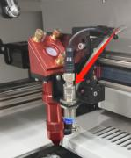
18 | Water Cooled Chiller | CW-3000 | for 40W tube for 60W tube for 75W tube for 90W tube | 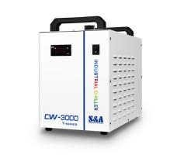
19 | Water Cooled Chiller | CW-5200 | for 40W tube for 60W tube for all RECI tubes from W1-W8 for all RECI tubes from T1-T6 | 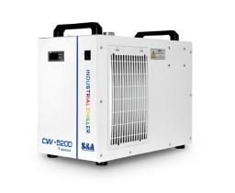
20 | Water Cooled Chiller | CW-6000 | for 40W tube for 60W tube for all RECI tubes from W1-W8 for all RECI tubes from T1-T6 Yongli 300W tube Especially for W8 tubes & Yongli 300W tube
21 | Honeycomb table | 4060 | 600*400mm
22 | Honeycomb table | 6090 | 900*600mm
23 | Honeycomb table | 1390 | 1300*900mm | 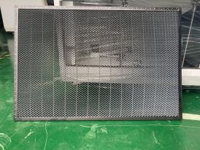
24 | Honeycomb table | 1610 | 1600*1000mm
25 | 3 coloured working lamp / Pilot Lamp |  |  | 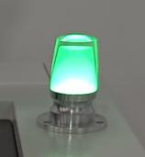
26 | 3-phase closed-loop stepper driver | WSL-5776-3EZ8-21& WSL-HB60 | for XY Axis on all machines | 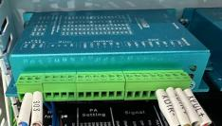
27 | 3-phase closed-loop stepper motor |  | for XY Axis on all machines | 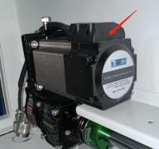
28 | 2-phase stepper driver | DM542 | for Rotary & Z Axis on all machines | 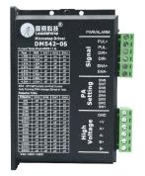
29 | 2-phase stepper driver |  | for Z Axis on 4060/6090 | 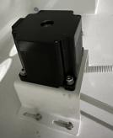
30 | 2-phase stepper driver | WSL57-76T3 | for Z Axis on 1390/1610
31 | Simplified PLC |  |  | 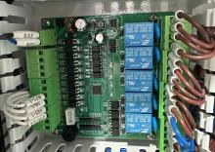
32 | Laser Head |  | The red part with black plate Can load 2"/2.5"/4" focal lens
33 | Lensholder |  | The red part which can load 2/4/5" focal lens
34 | AC contactor |  | Schneider | 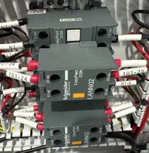
35 | Ruida Control System | 6445S | including Control Card, Control Panel, USB cable
36 | Ruida Control Card | 6445S | CONTROL CARD ONLY | 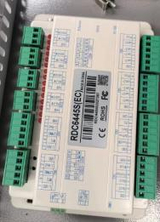
37 | Control Panal |  | for 6445S | 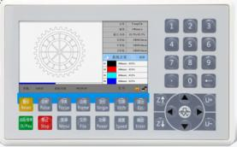
38 | Ruida Control System | 6445G-MODX (EC)-B | including Control Card, Touch-screen Panel, USB cable | 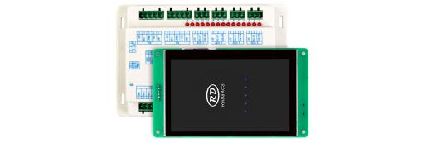
39 | Ruida Control Card |  | Control Card ONLY | 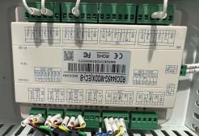
40 | Touch-screen Panal |  | for 6445G-MODX with black frame | 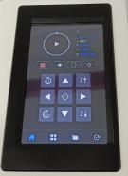
41 | RUIDA CCD | 6445G (EC) | (including Control Card, Control Panel, Camera, LED Power Supply, LED, USB cable) | 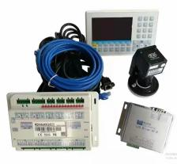
42 | Home Limited |  | for XYZ (Omron) | 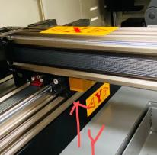
43 | Hand-held Remote Controller | BWK301R | for CO2 HS Laser Cutting Machine
44 | Hand-held Remote Controller | BWK301RT | for Mixing Laser Cutting Machine
45 | Sensor for doors | GLS-M1
46 | Sensor |  | 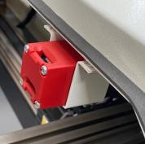 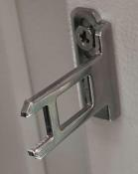 for front cover protecting Brand: Japan Omron
47 | Focal Lens |  | 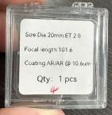 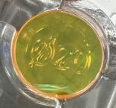 Focal Length: 2/2.5/4/5" Material: ZnSe Material imported from the US Diameter: 20mm thickness: 2mm)
48 | Reflecting Mirror | RMS325 | 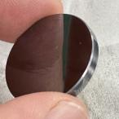 Reflecting rate: 99.99% Material: imported silicon Diameter: 25mm Thickness: 3mm
49 | Reflecting Mirror | RMM325 | Reflecting rate: 95.00% Material: MO Diameter: 25mm Thickness: 3mm
50 | 24V Switching Power Supply | NDR-75-24
51 | 24V/5V Switching Power Supply |  | 24V for control card 5V for red light ONLY | 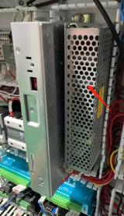
52 | 48V Switching Power Supply | LRS-450-48
53 | Exhausting System | ES550 | for ALL Co2 laser engraving machine Including Fan, tube and ring Power: 550W Host Diameter: 150mm | 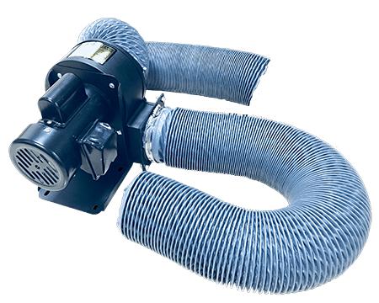
54 | Exhausting System | ES750 | for ALL Co2 laser engraving machine Including Fan, tube and ring Power: 750W Host Diameter: 150mm
55 | Exhausting System | ES550E | for ALL Co2 laser engraving machine Including Fan, tube and ring Power: 550W Host Diameter: 150mm
56 | Air Pump |  | The air pump is used for three basic reasons: I. To push fumes away from the focal lens. The contaminants could destroy the lens. II. To push air into the material's kerf as created by the laser beam. The air will remove debris/fumes and allow the laser light to penetrate deeper through the material. III. To cool the material. If the laser cut/engraved material stays hot, then it could warp or shrink. | 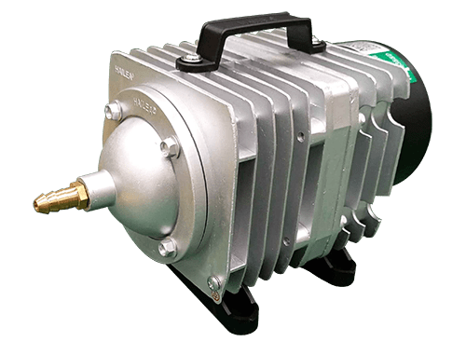
57 | Air Compressor | 980-8L | Air Compressor Capacity: 8L Power: 980W Pressure: 0.7Mpa Weight: 12.5KG | 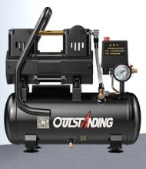
58 | Air Compressor | 980-30L | Air Compressor Capacity: 30L Power: 980W Pressure: 0.7Mpa Weight: 17KG
59 | Red Dot Pointer |  | including holder, red dot pointer, combainer and wire connection | 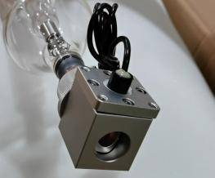
60 | Rotary Motor |  | It is for locking laser It is fixed between the first mirror holder and 2nd mirror holder | 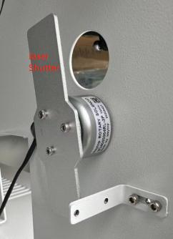
61 | Industry Computer |  | 17.3" Touch Screen, 1920*1080, Intel 8th i7 CPU, 16G RAM, 128GStorage, Net Port, 2*232, 4*USB, WiFi , Genuine English W10 OS | 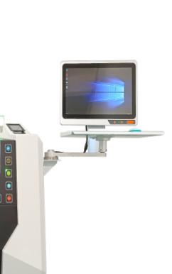
62 | Keyboard and Mouse |  | Wireness Logi Brand
63 | Tray |  | To support and fix the computer, keyboard and mouse
64 | WIFI Device |  |  | 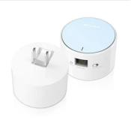
65 | Fume Extractor | PA-400FS-HP-IQ | 400FS-HP Host Diameter: 150mm | 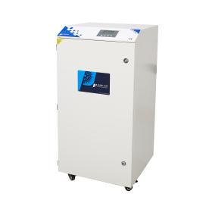
66 | Main Filter for 400FS-HP | H13+QT-410*410*200mm | Size: 410*410*200mm Packaging: Carton | 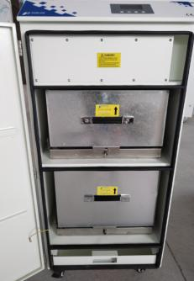
67 | Midium-efficency Filter for 400FS-HP | F8-410*410*300mm | Size: 410*410*300mm Packaging: Carton Size：43*34*44cm Gross Weight：6.5kg
68 | Midium-efficency Filter for 400FS-HP | F5-350*400*20mm | Size: 350*400*20mm | 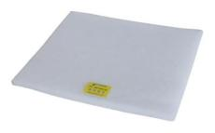
69 | Fume Extractor | PA-800FS-HP-IQ | 800FS-HP
70 | Main Filter for 800FS-HP | H13+QT-430*430*200mm | Size: 430*430*200mm Packaging: Carton
71 | Midium-efficency Filter for 800FS-HP | F8-430*430*300mm | Size: 430*430*300mm Packaging: Carton
72 | Midium-efficency Filter for 800FS-HP | F5-350*400*20mm | Model: F5-350*400*20mm Size: 350*400*20mm
73 | Fume Extractor | PA-800TS-LT-HP-IQ | 800TS FOOR WOOD ENGRAVING & CUTTING
74 | High-effciency Filter Bucket | H13 | High-effciency Filter Bucket | 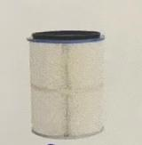
75 | Main Filter (Carbon Filters for 800TS) |  | Main Filter (Carbon Filters for 800TS) | 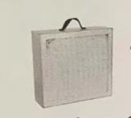
76 | Ore Powder |  | Ore Powder (Unit: kg, 5kg per time for replacement)
77 | Gas Spring |  |  | 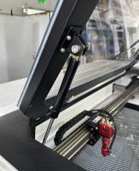
78 | Gour Rotary Device | GDR | For something like gour | 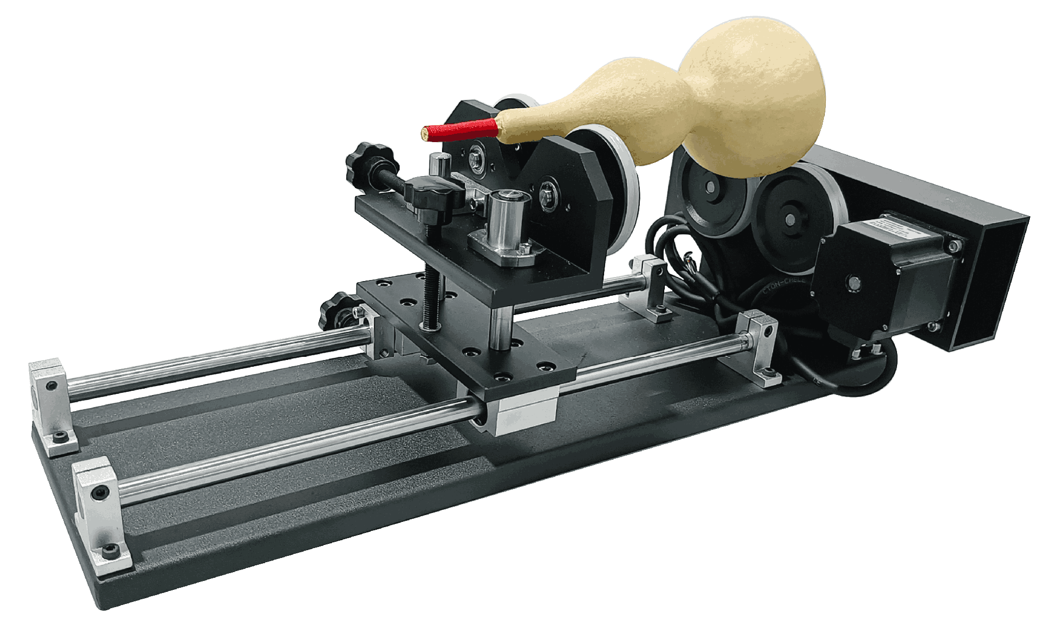
79 | Wine Bottle Rotary Device | WBR | For something like WINE BOTTLE | 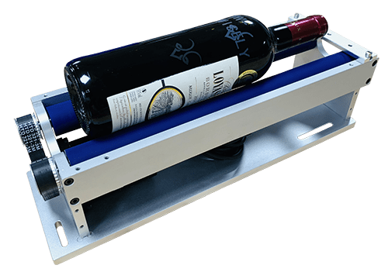
80 | Wine Cup Rotary Device | WCR | For something like wine cup engraving | 