Deal Form
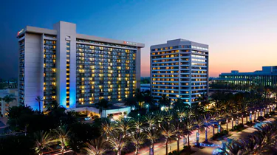

All items must be set up with corporate & have at least a 75% fill rate.
Vistar - Show Deals
 | Mfr Item # |  | Vistar Item # | Item Description | Deal Amount (Per Case)
Example | 12345 |  | XXX01235 | Candy Bar | $2.88
Item #1
Item #2
Item #3
Item #4
Item #5
Item #6
Item #7
Item #8
Item #9
Item #10
Forms will not be accepted if ALL necessary tabs below are not complete

Supplier/Brand :______________________________________

Show Date: |  | June 4, 2026
Deal Form Due: |  | April 24, 2026
Email form to VistarSCLMDSFORMS@PFGC.com

