Home
Sustainable Aviation Fuel (SAF) Airport Tool ALIGHT and Roundtable on Sustainable Biomaterials (RSB) Version: 1.02 Released: 15 September 2022

What is SAF & its Benefits
Feedstock sustainability risks & RSB Principles
Factors contributing to SAF’s GHG intensity
Airport GHG Calculations
SAF Policy Incentives

Note: | Click on the respective components of the "flow diagram" above to navigate to the relevant section.

The purpose of this RSB tool is to introduce the sustainability teams of airport operators to the subject of Sustainable Aviation Fuels (SAF). Airports will increasingly be exposed to SAFs and will play an important role in the uptake of such fuels.

Home |  | ABOUT US The RSB offers trusted, credible tools and solutions for sustainability & biomaterials certification that mitigate business risk, fuel the bioeconomy and contribute to the UN Sustainable Development Goals in order to enable the protection of ecosystems and the promotion of food security. | CONTACT US Impact Hub Geneva, Rue Fendt 1, 1201 Geneva | Switzerland +41 22 534 90 50 info@rsb.org

Community

RSB Standard

Certification

Disclaimer
a. The results of calculations made using this tool are not endorsed by RSB and RSB cannot be held liable for any actions resulting from the use of this tool.
b. The results of calculations made using this tool do not constitute an RSB certification and a claim cannot be made or publicised unless verified by RSB or an approved third-party auditor.
© This tool and the associated formulae are the copyright of the Roundtable on Sustainable Biomaterials, 2022.

This project has received funding from the European Union’s Horizon 2020 research and innovation programme under grant agreement No 957824

What is SAF & Benefits
Home
What is SAF & its Benefits
Sustainability Risks &
RSB Principles
SAF Policies & Incentives
Airport GHG Calculations
Factors Contributing to SAF’s GHG Intensity

 | What is SAF and its Benefits?

 | What is Sustainable Aviation Fuel (SAF)?
 | SAF is a low-carbon fuel alternative for the aviation industry. These non-petroleum-based drop-in (or chemically identical) aviation fuels are generally produced from bio-based feedstocks including waste, residues and end-of-life products, as well as fossil waste. The RSB image below shows a typical SAF production cycle.

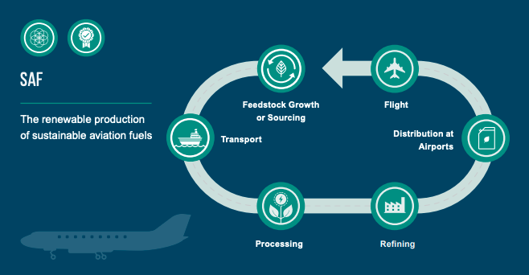

 | SAF can only be produced via American Society for Testing and Materials (ASTM) approved SAF production pathways (the technology used to produce the fuel). The ASTM approved pathways are summarised below.

 |  | ASTM approved pathway | Approval date | Feedstock options | Blending ratio by volume

 |  | FT-SPK Fischer-Tropsch hydro-processed synthesised paraffinic kerosene | 2009 | Lignocellulosic biomass Agricultural and forestry residues (e.g. sugarcane bagasse, sugar cane trash, treetops, corn stover and corn stalks) and municipal waste | Up to 50%

 |  | HEFA-SPK Synthesised paraffinic kerosene produced from hydro-processed esters and fatty acids | 2011 | Oils and fats Camelina, jatropha, castor oil, palm oil, animal fats, and used cooking oil | Up to 50%

 |  | HFS-SIP Synthesised isoparaffins produced from hydro-processed fermented sugars | 2014 | Microbial conversion of sugars to hydrocarbon Sugarcane, cassava, sorghum, and corn | Up to 10%

 |  | FT-SPK/A Synthesised kerosene with aromatics derived by alkylation of light aromatics from non-petroleum sources | 2015 | Lignocellulosic biomass Agricultural and forestry residues (e.g. sugar cane bagasse, sugarcane trash, treetops, corn stover and corn stalks) and municipal waste | Up to 50%

 |  | ATJ-SPK (isobutanol) Alcohol-to-jet synthetic paraffinic kerosene | 2016 | Biomass used for sugar production and lignocellulosic biomass Sugarcane, cassava, sorghum, corn, and ethanol | Up to 50%

 |  | ATJ-SPK (ethanol) Alcohol-to-jet synthetic paraffinic kerosene | 2018 | Biomass used for sugar production and lignocellulosic biomass Sugarcane, cassava, sorghum, corn, and ethanol | Up to 50%

 |  | CHJ Catalytic hydrothermolysis synthetic jet fuel | 2020 | Triglyceride-based feedstocks Waste oils, algae, soybean, jatropha, camelina, and carinata | Up to 50%

 |  | HHC-SPK High hydrogen content synthetic paraffinic kerosene | 2020 | Biologically derived hydrocarbons Algae | Up to 10%

 | What at are the benefits of SAF?
 | In October 2021, the International Air Transport Association (IATA) members (airlines) committed to achieve net zero carbon emissions by 2050 in line with the Paris Agreement’s 1.5°C goal. It is broadly acceptance that SAF will be required in substantial quantities to decarbonise the aviation sector and enable this energy transition. The main benefit of SAF is the reduced GHG life cycle emissions (or GHG emission saving) when compared to an fossil alternative. When RSB standards are applied, the GHG emissions saving must be at least 50% when compared to the RSB fossil fuel comparator of 90 g CO2e/MJ fuel. In some scenarios, a GHG emission saving of up to 70% is required. Some of the most innovative SAFs are being made from waste materials, including recycled carbon, which further reduces many environmental and social risks and contribute to a circular economy.

 | Why is it important to use certified SAF?
 | The production of SAF can have serious negative consequences. Equally, it can be made in such a way that has incredible positive climate impact, protects forests and other ecosystems and ensures food security, land rights and more. There are broadly three concerns (social, environmental and climate impact) about the use of alternative fuels. To make a rational choice about the fuels you use, you would need to ask and answer the following nine questions: 1. Does the production of this fuel take away from food production and increase food prices or reduce the availability of food? (No) 2. Are people being exploited in the production of this fuel? (No) 3. Has this fuel been produced using material sourced from land where land rights have been respected and consent has been granted by land rights holders? (Yes) 4. Does the production of this fuel uplift the communities in which it occurs? (Yes) 5. Are ecosystems – including forests – and biodiversity negatively impacted by the production of the fuel? (No) 6. Is soil health maintained? (Yes) 7. Is surface and groundwater quality assured? (Yes) 8. Does the fuel production contribute to air pollution? (No) 9. Does this fuel ensure a meaningful greenhouse gas emissions reduction compared to a conventional one? (Yes) The RSB has worked with organisations around the world – including NGOs, civil society, governments, academia and fuel producers – to develop a standard that is considered the most credible and most trusted available. An RSB-certified fuel shows the world that it has been produced in an environmentally, socially and economically responsible way.

© Roundtable on Sustainable Biomaterials, 2022.

Sus Risks & RSB Principles
What is SAF & its Benefits
Home
Sustainability Risks &
RSB Principles
Airport GHG Calculations
Factors Contributing to SAF’s GHG Intensity
SAF Policies & Incentives

Sustainability Risks & RSB Principles

Sustainable Aviation Fuel Types
SAF can be produced using various feedstocks and can be grouped in four broad categories, namely:
1. Bio-based Waste & Residues Fuels
SAF can be produced using bio-based waste and residues including agricultural and forestry residues (e.g. sugarcane bagasse, treetops, corn stover & stalks, used cooking oil, etc.
2. Crop based Fuels
Crops like camelina, jatropha, carinata, sugarcane, cassava, sorghum, and corn can be used to produce fuel.
3. Recycled Carbon Fuels (RCF)
RCFs are produced using the residual fossil energy in certain types of wastes and by-products, such as waste plastics and industrial off-gases.
4. Renewable Fuels of Non-Biological Origins (RFNBOs)
RFNBOs are produced using energy from renewable sources other than biomass, such as solar and wind power.

Sustainability Risks
Different types of SAF are associated with different sustainability risks depending on their feedstocks and the production processes involved. The table below summarises the main sustainability risks associated with the feedstock types used to produce SAF.

 | Bio-based waste & residues | Crops | RCF | RFNBO
Soil degradation Soil degradation refers to the physical, chemical, and biological decline in soil quality. Causes of soil degradation include agricultural and unsustainable agricultural practices. | n/a |  | n/a | n/a

Water scarcity Water scarcity can occur in areas where agriculture uses water for irrigation, leaving surrounding communities with limited access to clean drinking water. | n/a |  | n/a | n/a

Water pollution Water pollution occurs when toxic substances enter water bodies such as lakes, rivers, oceans. Fertiliser and agrochemical use in agriculture can result in water pollution. | n/a |  | n/a | n/a

Land use change Land use change is a process by which human activities transform an area of land from one state into another. Often areas of natural vegetation are cleared for agriculture. This has negative implications for biodiversity, water quality and availability, soil health, etc. | n/a |  | n/a

Biodiversity loss Biodiversity refers to the variety of plant and animal life in the world or in a particular habitat, a high level of which is usually considered to be important and desirable. Causes of decreased biodiversity include the spread of invasive alien species, pollution, climate change and habitat loss due to land use change. | n/a |  | n/a
...

SAF GHG Intensity
What is SAF & its Benefits
Home
Sustainability Risks &
RSB Principles
Factors Contributing to SAF’s GHG Intensity
Airport GHG Calculations
SAF Policies & Incentives

Factors Contributing to SAF’s GHG Intensity

How are SAF GHG emissions calculated?
SAF's GHG emission intensity is calculated by summing the GHG emissions from each stage in the SAF's lifecycle from the cultivation of feedstock/collection of waste & residues, transport & storage, the production of the fuel, and finally the combustion of the fuel in use. The figure below illustrates the boundaries of a typical biofuel supply chain. Additionally, the GHG calculation starting point for SAF produced from waste & residues are indicated in orange.

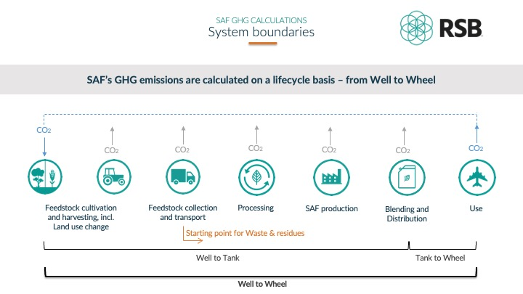

What are the difference between actual and "default" values?
It is always preferred that SAF suppliers provide actual GHG values by calculating their SAF's GHG intensity. Some standards (for example EU RED II) do however provide a list of "default" GHG intensity values that can be used in the place of actual values if the feedstock, conversion pathway and context of the supply chain meet certain strict criteria.

Auditing of GHG intensity values
The SAF GHG intensity value of RSB Global, EU RED and ICAO CORSIA certified SAF suppliers are audited annually by an independent third party during the supplier's sustainability certification audit.
...

SAF Policy Incentives
What is SAF & its Benefits
Home
Sustainability Risks &
RSB Principles
Factors Contributing to SAF’s GHG Intensity
SAF Policies & Incentives
Airport GHG Calculations

SAF Policies & Incentives

In October 2021, the International Air Transport Association (IATA) members (airlines) committed to achieve net zero carbon emissions by 2050 in line with the Paris Agreement’s 1.5°C goal. It is broadly acceptance that SAF will be required in substantial quantities to decarbonise the aviation sector, and thus, increasing attention is on the role of policy to enable this energy transition. The mainstreaming of any new technology or product can be fast tracked when supportive policy frameworks and incentives are introduced. This is especially true when the new technology or product is more expensive than existing solutions - SAF is between two and four times the price of conventional jet fuel. To fulfil aviation’s net zero commitment, current estimates are for SAF to account for 65% of aviation’s carbon mitigation in 2050 - an annual production capacity of 449 billion litres. Investments are in place to expand SAF's annual production from 125 million litres in 2021 to 5 billion litres by 2025. Interestingly, all 125 million litres of SAF was purchased by airlines in 2021 despite the price premium. With effective government incentives, production could reach 30 billion litres by 2030, which would be a tipping point for SAF production and utilization.
...

Airport GHG Calculations
What is SAF & its Benefits
Home
SAF Policies & Incentives
Sustainability Risks &
RSB Principles
Airport GHG Calculations
Factors Contributing to SAF’s GHG Intensity

Airport GHG Calculations

While some airports focus on reporting the Landing and Take-Off (LTO) fuel component only, increasingly airports are accounting for Scope 3 emissions which include all aviation fuel uploaded to aircraft. The ACA defines an airports operator's emissions scope as follows:

Scope 1 - emissions owned and controlled by the airport operator, such as electricity generation and airport vehicles.
Scope 2 - emissions from the off-site generation of electricity or heating/ cooling purchased by the airport operator.
Scope 3 - emissions owned and controlled by airport tenants and other stakeholders.
Under the ACA certification scheme for airports, aviation fuel is classified as Scope 3 emissions for airports and as Scope 1 emission for airlines.
...

