Survey for staff
Example of Survey to employees | Data output from survey |  |  |  |  |  |  |  |  |  |  |  |  | Example of data output from survey
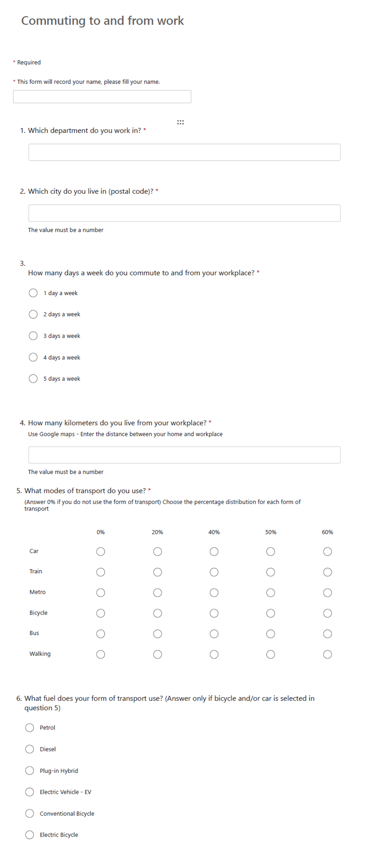
 | ID | Name | Which department do you work in | Which city do you live in (postal code) | How many days a week do you commute to and from your workplace | How many kilometers do you live from your workplace? | Car | Train | Metro | Bicycle | Bus | Walking | What fuel does your form of transport use? (Answer only if bicycle and/or car is selected in question 5) | ID | Name | Which department do you work in | Whichc city do you live in (postal code) | How many days a week do you commute to and from your workplace | How many kilometers do you live from your workplace? | Car | Train | Metro | Bicycle | Bus | Walking | What fuel does your form of transport use? (Answer only if bicycle and/or car is selected in question 5)

 |  |  |  |  |  |  |  |  |  |  |  |  |  | 2 | CPH | Finance | 2300 | 4 days per week | 6 | 80% | 0% | 0% | 0% | 0% | 0% | Petrol
 |  |  |  |  |  |  |  |  |  |  |  |  |  | 3 | CPH | Sustainability | 2880 | 5 days per week | 22 | 0% | 0% | 0% | 0% | 100% | 0% | Electrical bike
 |  |  |  |  |  |  |  |  |  |  |  |  |  | 4 | CPH | HR | 2200 | 4 days per week | 11 | 50% | 0% | 0% | 0% | 50% | 0% | Petrol
 |  |  |  |  |  |  |  |  |  |  |  |  |  | 5 | CPH | Sustainability | 2065 | 5 days per week | 19 | 20% | 0% | 0% | 0% | 80% | 0% | Diesel
 |  |  |  |  |  |  |  |  |  |  |  |  |  | 6 | CPH | HR | 2980 | 5 days per week | 52 | 80% | 0% | 20% | 0% | 0% | 0% | Electrical car
 |  |  |  |  |  |  |  |  |  |  |  |  |  | 7 | CPH | Sustainability | 2300 | 5 days per week | 6 | 0% | 0% | 0% | 80% | 0% | 0%
 |  |  |  |  |  |  |  |  |  |  |  |  |  | 8 | CPH | HR | 1756 | 4 days per week | 11 | 0% | 0% | 0% | 20% | 80% | 0%
 |  |  |  |  |  |  |  |  |  |  |  |  |  | 9 | CPH | SUS | 2670 | 4 days per week | 28 | 80% | 0% | 0% | 0% | 0% | 0% | Diesel
 |  |  |  |  |  |  |  |  |  |  |  |  |  | 10 | CPH | HR | 2770 | 4 days per week | 3 | 0% | 0% | 20% | 20% | 80% | 0%
 |  |  |  |  |  |  |  |  |  |  |  |  |  | 11 | CPH | SUD | 2000 | 3 days per week | 14 | 0% | 0% | 0% | 80% | 0% | 0%
 |  |  |  |  |  |  |  |  |  |  |  |  |  | 12 | CPH | Sales | 2200 | 4 days per week | 10 | 0% | 0% | 0% | 20% | 80% | 0%
 |  |  |  |  |  |  |  |  |  |  |  |  |  | 13 | CPH | Sales | 2770 | 3 days per week | 6 | 80% | 0% | 0% | 0% | 20% | 0% | Diesel
 |  |  |  |  |  |  |  |  |  |  |  |  |  | 14 | CPH | Sales | 3550 | 4 days per week | 45 | 80% | 0% | 0% | 0% | 0% | 0% | Electrical car
 |  |  |  |  |  |  |  |  |  |  |  |  |  | 15 | CPH | Sales | 2300 | 4 days per week | 6 | 80% | 0% | 0% | 20% | 0% | 0% | Electrical car
 |  |  |  |  |  |  |  |  |  |  |  |  |  | 16 | CPH | SUS | 3460 | 5 days per week | 44 | 80% | 0% | 0% | 20% | 0% | 0% | Electrical car

 |  | Calculation guide
 |  | From this it is possible to calculate average number of work days per employee and the average distance per employee per day for each method of transportation

Passenger survey
Example of Survey to employees | Data output from survey |  |  |  |  | Example: Data output from survey
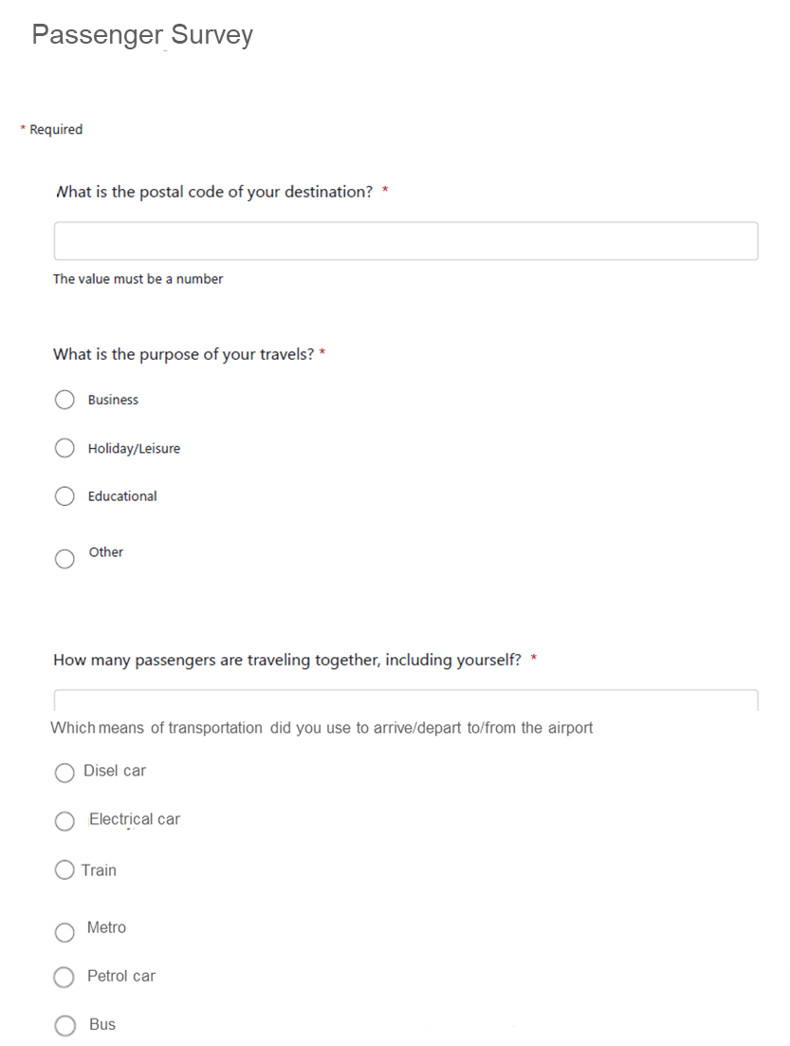
 | ID | What is the postal code of your destination? | What is the purpose of your travels? | How many passengers are traveling together, including yourself? | Which means of transportation did you come by | ID | What is the postal code of your destination? | What is the purpose of your travels? | How many passengers are traveling together, including yourself? | Which means of transportation did you come by
 |  |  |  |  |  | 1 | 2200 | Holidays | 2 | Train
 |  |  |  |  |  | 2 | 2564 | Leisure | 1 | Metro
 |  |  |  |  |  | 3 | 2586 | Business | 3 | Electric car
 |  |  |  |  |  | 4 | 2300 | Holidays | 2 | Bus
 |  |  |  |  |  | 5 | 2000 | Business | 1 | Train
 |  |  |  |  |  | 6 | 2100 | Leisure | 3 | Bus
 |  |  |  |  |  | 7 | 5879 | Business | 2 | Electric car
 |  |  |  |  |  | 8 | 5411 | Holidays | 1 | Petrol Car

 |  | Calculation guide
 |  | From this it is possible to calculate average number of travellers per car, and the average distances per traveller for each method of transportation

