ExhP-6
 |  |  |  |  | Mountain Valley Pipeline, LLC
 |  |  |  |  | MVP Boost Project
 |  |  |  |  | Docket No. CP26-___-000
 |  |  |  |  | Page 6 of 6

Deferred Income Taxes
Schedule 6

Line No. | Description | Notes | Year 1 | Year 2 | Year 3
 | (Col. 1) | (Col. 2) | (Col. 2) | (Col. 3) | (Col. 4)

1 | Plant excluding Equity AFUDC |  | $468,370,973 | $468,370,973 | $468,370,973

2 | Book Rate |  | 2.50% | 2.50% | 2.50%
3 | Tax Rate | 1/ | 5.00% | 9.50% | 8.55%

4 | Current Year Book to Tax Difference |  | $11,709,274 | $32,785,968 | $28,336,444

5 | Beginning Balance |  | $- | $2,950,737 | $11,212,801
6 | Current Deferred Taxes @ 25.2% |  | $2,950,737 | $8,262,064 | $7,140,784
7 | Ending Balance |  | $2,950,737 | $11,212,801 | $18,353,585

8 | Average Accumulated Deferred Taxes |  | $1,475,369 | $7,081,769 | $14,783,193

 | 1/ 15 years MACRS

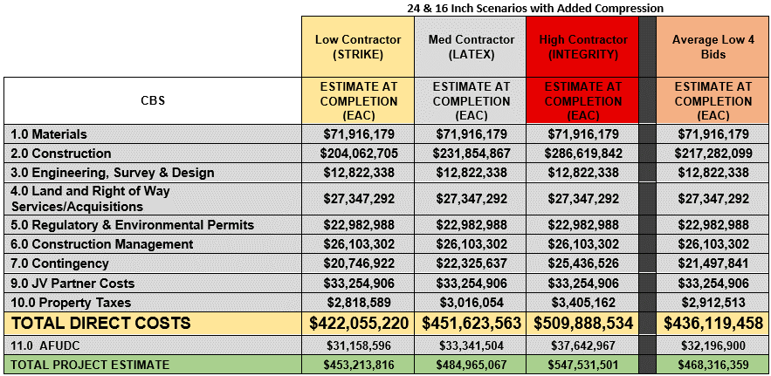

 |  |  |  |  |  |  |  | Total Direct | AFUDC | Equity AFUDC | Plant Excuding Equity AFUDC | Line Pack
 |  |  |  |  |  | 40-year life | $$/in-mile | 450,668,908 | 30,983,632 | 21,688,542 | 428,980,366
 |  |  |  |  |  | 20-year life | Low Contractor | 452,962,019 | 31,141,285 | 21,798,900 | 431,163,120
 |  |  |  |  |  |  | Med Contractor | 485,254,532 | 33,361,405 | 23,352,984 | 461,901,549
 |  |  |  |  |  |  | High Contractor | 548,676,239 | 37,721,668 | 26,405,168 | 522,271,071
 |  |  |  |  |  |  | Average | 472,840,560 | 32,840,560 | 22,988,392 | 449,852,168
 |  |  |  |  |  |  | Avg + $3 MM | 475,840,560 | 33,048,921 | 23,134,245 | 452,706,315
 |  |  |  |  |  |  |  | Debt | 50% | 6% | 3.00%
 |  |  |  |  |  |  |  | Equity | 50% | 14% | 7.00%

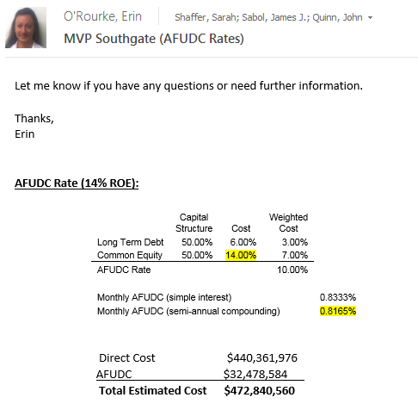

 |  |  |  |  |  |  |  |  |  |  |  |  | 236420280

