Adjustments to Provision Inc
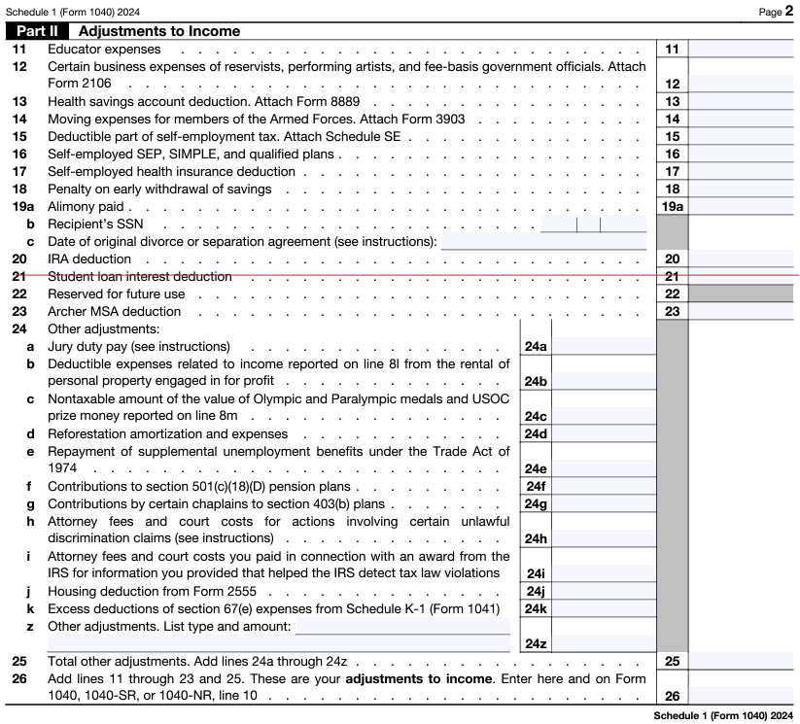
Adjustments on the Schedule 1 that reduce Provisional Income.

Schedule 1 lines 11 through 20, 23 and 25 will reduce Provisional Income.
Student Loan Interest deduction is the only one not allowed.

