Start Here
 | Service & Contract Renewal Tracker

How to use this workbook |  | How to print this worksheet
1. Go to the 'Renewal Tracker' tab and enter each customer, contract type, value, last service date, and how often it needs servicing (in months). |  | Go into Print settings and make sure to tick the "scale to fit"
2. 'Next Due Date' and 'Status' calculate automatically, no manual updating required.
3. Check the 'Summary' tab for a live view of contract value currently at risk.
4. Use 'Typical Renewal Cycles' as a quick reference if you're unsure how often a contract type should recur. |  | How to save this worksheet as PDF
 |  | Go into "Save as..." in the main menu and choose PDF format from the dropdown menu:

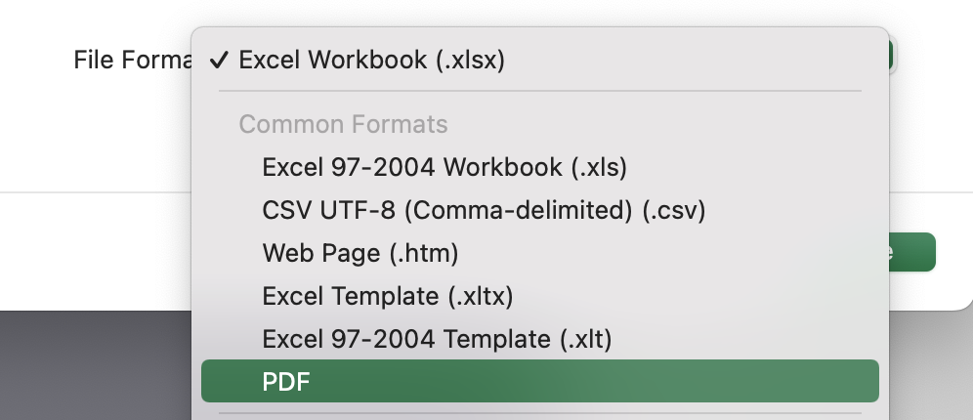
Field key
You fill in | Example entry
Calculates automatically | Next due date
Key figure | Value at risk

Prefer this to run automatically?
 | Explore RAM Job Management

