Start Here
Engineer Certification & Job-Matching Tracker

How to use this worksheet |  | How to print this worksheet

1. Go to 'Engineer Roster' and add one row per certification your engineers hold (name, certification type, issuing body, expiry date, and the equipment or job type it covers.) |  | Go into Print settings and make sure to tick the "scale to fit"
2. 'Status' calculates automatically from the expiry date, no manual updating required.
3. Go to 'Certification Matrix' to see which engineers are qualified for which job type, and whether that qualification is current.
4. Important: the text you enter in 'Equipment / Job Type Qualified For' on the Roster tab must match a column heading on the Matrix tab exactly, or the lookup won't find it. |  | How do save this worksheet as a PDF
5. Use 'Typical Certifications by Industry' as a starting reference if you're not sure what qualifications apply to your trade. |  | Go into "Save as..." in the main menu and choose PDF format from the dropdown menu:
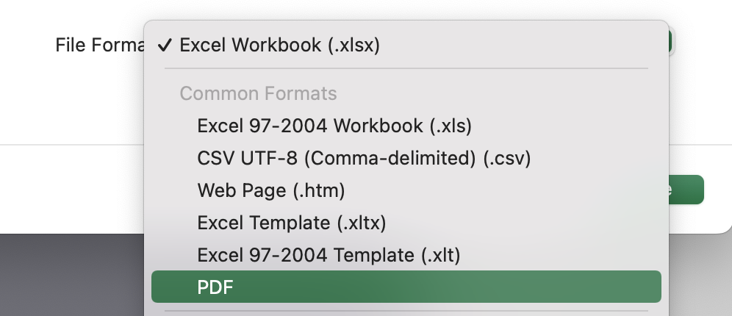
Field key

You fill in | Example entry
Calculates automatically | Status
Needs attention | Expired

Prefer to match engineers to jobs automatically?
 | Explore RAM Job Management

