Start Here
Job Profitability Tracker
A free template from RAM

How to use this workbook |  | How to print this worksheet

1. Go to 'Job Tracker' and set your standard labour rate and travel rate at the top (these apply to every job below). |  | Go into Print settings and make sure to tick the "scale to fit"
2. For each job, enter the revenue invoiced, labour hours, materials cost, travel time, fuel cost, and any additional costs.
3. Gross profit, net profit, and margin % are calculated automatically for every job.
4. Go to 'Dashboard' for revenue and profit by engineer, your most profitable customers, and your least profitable jobs, all updating live as you add data. |  | How to save this worksheet as a PDF
5. On the 'Dashboard', add your customer names once to the 'Customer Summary' table so the 'Top 5 Customers' ranking can find them. |  | Go into "Save as..." in the main menu and choose PDF format from the dropdown menu:
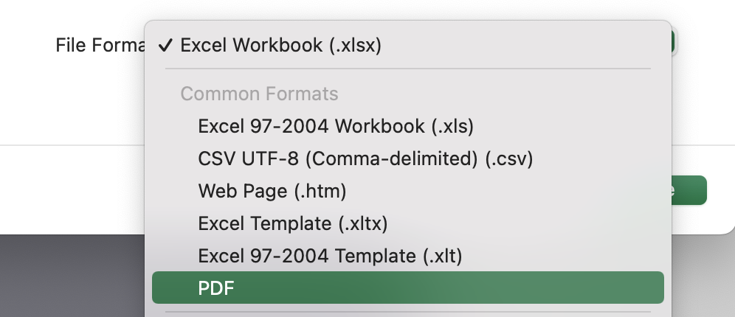
A note on revenue

This template also asks for the revenue or invoice value of each job. Profit can't be calculated from costs alone, it needs what the job was actually billed at, too.

Field key

You fill in | Example entry
Calculates automatically | Net profit
Needs attention | Loss-making job

Prefer to calculate this automatically?
 | Explore RAM Job Management

