Instructions
 Daily Vehicle Checklist - Instructions

How to complete this vehicle checklist? |  | How to print this worksheet?

Select the job sheet in colour or black & white (more print friendly). |  | Go into Print settings and make sure to tick the "scale to fit"
Replace the logo with your own.
Complete all the fields as per the below:
These are editable fields:
Please replace with your own data
Please replace with your own data
 |  | How to save this worksheet as PDF?

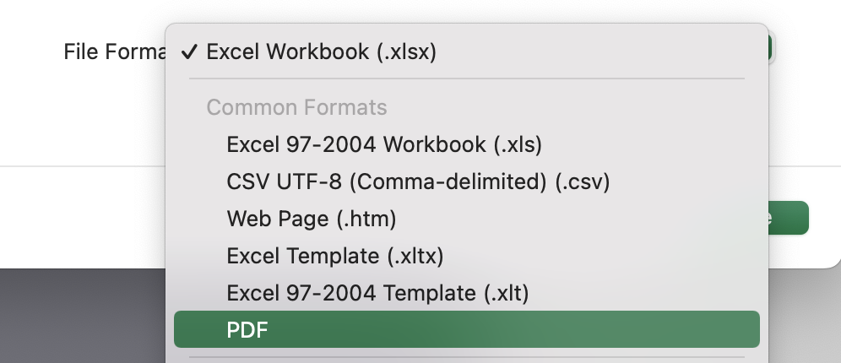
 |  | Go into "Save as..." in the main menu and choose PDF format from the dropdown menu:
These are non-editable fields that contain formulas:
Do not edit
Do not edit
Do not edit

Don't fancy fiddling with a spreadsheet? | Explore our complete fleet management toolkit
Why don't you check our software?

Daily Checklist (Colour)
 |  | Daily Vehicle Checklist

 | Driver name | Vehicle registration
Enter driver name
Enter your vehicle registration
 | Date | Odometer (miles)
Enter todays date
Enter vehicle odometer count

Enter any additional comments
# | Check item | Pass | Fail | Notes / Defect Details
 | Lights & Signals
1 | Headlights operational (dipped and full beam) | FALSE | FALSE
Enter any additional comments
2 | Brake lights and tail lights operational | FALSE | FALSE
Enter any additional comments
3 | Indicators operational (front and rear) | FALSE | FALSE
Enter any additional comments
4 | Hazard warning lights operational | FALSE | FALSE
Enter any additional comments
5 | All mirrors clean, secure and correctly adjusted | FALSE | FALSE
 | Tyres
Enter any additional comments
6 | No visible tyre damage (cuts, bulges or embedded objects) | FALSE | FALSE
Enter any additional comments
7 | Tyres not visibly under-inflated | FALSE | FALSE
Enter any additional comments
8 | Wheel nuts appear secure (no visible looseness) | FALSE | FALSE
 | Fluid Levels
Enter any additional comments
9 | Engine oil level within min/max markers | FALSE | FALSE
Enter any additional comments
10 | Coolant level within min/max markers | FALSE | FALSE
Enter any additional comments
11 | Windscreen washer fluid topped up | FALSE | FALSE
 | Bodywork
Enter any additional comments
12 | No new bodywork damage since last check | FALSE | FALSE
Enter any additional comments
13 | All doors open, close and lock correctly | FALSE | FALSE
Enter any additional comments
14 | Number plates clean and legible | FALSE | FALSE
 | Interior & Controls
Enter any additional comments
15 | Seatbelt in good condition and latches correctly | FALSE | FALSE
Enter any additional comments
16 | Brake pedal: firm feel, no pulling to one side | FALSE | FALSE
Enter any additional comments
17 | Steering: no excessive play or unusual noise | FALSE | FALSE
Enter any additional comments
18 | No dashboard warning lights illuminated after start-up | FALSE | FALSE
 | Dash Camera (if fitted)
Enter any additional comments
19 | Camera powered on and recording indicator active | FALSE | FALSE
Enter any additional comments
20 | Camera lens clean and unobstructed | FALSE | FALSE

 | Driver Signature
 |  |  | Defect Declaration |  | Yes | No
 | Fleet Manager / Supervisor Signature |  | Is the vehicle safe to drive? |  | FALSE | FALSE
 |  |  | If No, do not drive, report to fleet manager immediately

Daily Checklist (B&W)
 |  | Daily Vehicle Checklist

 | Driver name | Vehicle registration
Enter driver name
Enter your vehicle registration
 | Date | Odometer (miles)
Enter todays date
Enter vehicle odometer count

Enter any additional comments
# | Check item | Pass | Fail | Notes / Defect details
 | Lights & Signals
1 | Headlights operational (dipped and full beam) | FALSE | FALSE
Enter any additional comments
2 | Brake lights and tail lights operational | FALSE | FALSE
Enter any additional comments
3 | Indicators operational (front and rear) | FALSE | FALSE
Enter any additional comments
4 | Hazard warning lights operational | FALSE | FALSE
Enter any additional comments
5 | All mirrors clean, secure and correctly adjusted | FALSE | FALSE
 | Tyres
Enter any additional comments
6 | No visible tyre damage (cuts, bulges or embedded objects) | FALSE | FALSE
Enter any additional comments
7 | Tyres not visibly under-inflated | FALSE | FALSE
Enter any additional comments
8 | Wheel nuts appear secure (no visible looseness) | FALSE | FALSE
 | Fluid Levels
Enter any additional comments
9 | Engine oil level within min/max markers | FALSE | FALSE
Enter any additional comments
10 | Coolant level within min/max markers | FALSE | FALSE
Enter any additional comments
11 | Windscreen washer fluid topped up | FALSE | FALSE
 | Bodywork
Enter any additional comments
12 | No new bodywork damage since last check | FALSE | FALSE
Enter any additional comments
13 | All doors open, close and lock correctly | FALSE | FALSE
Enter any additional comments
14 | Number plates clean and legible | FALSE | FALSE
 | Interior & Controls
Enter any additional comments
15 | Seatbelt in good condition and latches correctly | FALSE | FALSE
Enter any additional comments
16 | Brake pedal: firm feel, no pulling to one side | FALSE | FALSE
Enter any additional comments
17 | Steering: no excessive play or unusual noise | FALSE | FALSE
Enter any additional comments
18 | No dashboard warning lights illuminated after start-up | FALSE | FALSE
 | Dash Camera (if fitted)
Enter any additional comments
19 | Camera powered on and recording indicator active | FALSE | FALSE
Enter any additional comments
20 | Camera lens clean and unobstructed | FALSE | FALSE

 | Driver Signature
 |  |  | Defect Declaration |  | Yes | No
 | Fleet Manager / Supervisor Signature |  | Is the vehicle safe to drive? |  | FALSE | FALSE
 |  |  | If No, do not drive, report to fleet manager immediately

