Sample Pack Form 1
Packaging Proposal Form

Supplier |  |  |  | Date
Part Number |  |  |  | Proposal Revision
Part Description |  |  |  | Program

1. Part Sketch |  |  |  | 2. Dunnage Sketch

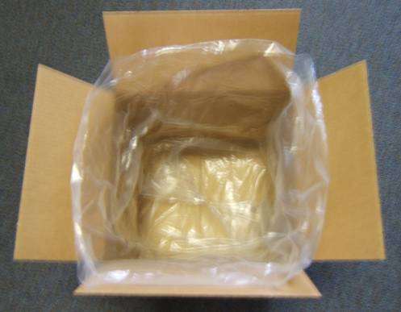
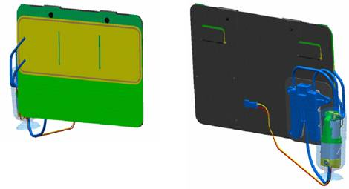

 |  |  |  | Note : Box lined with1 plastic bag and 1 cardboard
 |  |  |  | layer pad in order to protect parts

Part Weight | 12.4 |  | ounzes
Part Dimensions | 16 x 2 x 12 |  | inch | Number of Dunnage per Container |  | 1
Part Material | see bill of material |  |  | Returnable / total trips if applicable |  | -

3. Container Sketch |  |  |  | 4. Loaded Pallet Sketch

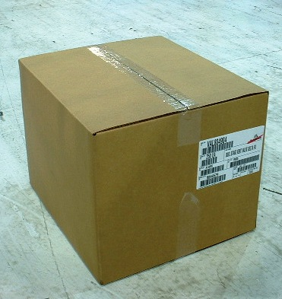
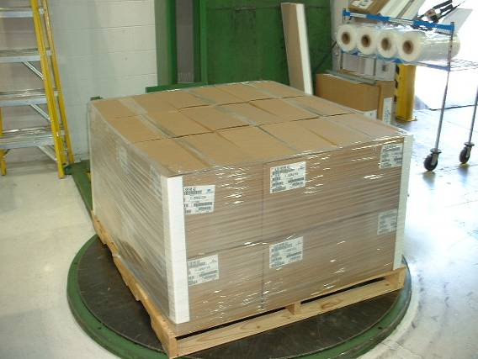

 |  |  |  | Containers per pallet | 18
Parts per Container | 15 |  |  | Pallets per truck | TBD
Loaded Weight | 186 |  | ounzes | Parts per pallet | 270
Container Dimensions | 16 X 15 X 15 |  | inch | Gross weight | 4148 |  | Ounces
Return Ratio | N/A |  |  | Pallet Dimensions | 48 x 45 x 35 |  | inch

APPROVALS

Concept
Company |  | Function |  | Printed Name | Signature |  | Date
0
CSP |  | Packaging Engineer

Final
Company |  | Function |  | Printed Name | Signature |  | Date
0
CSP |  | Packaging Engineer
CSP |  | Receiving Plant MPL

Sample Pack Form 2
Packaging Proposal Form

Supplier |  |  |  | Date
Part Number |  |  |  | Proposal Revision
Part Description |  |  |  | Program

1. Part Sketch |  |  |  | 2. Dunnage Sketch
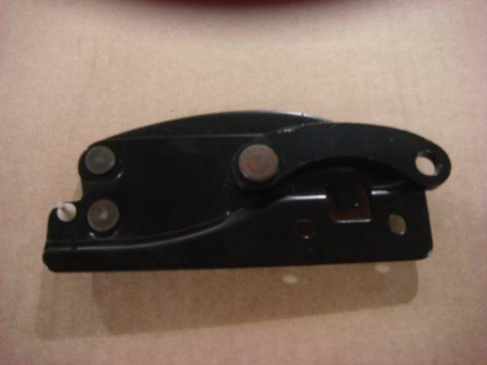

Part Weight | 0.547 |  | pounds
Part Dimensions | 5" x 6" x 1" |  |  | Number of Dunnage per Container
Part Material | Steel |  |  | Returnable / total trips if applicable

3. Container Sketch |  |  |  | 4. Loaded Pallet Sketch
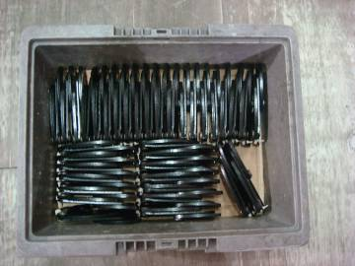
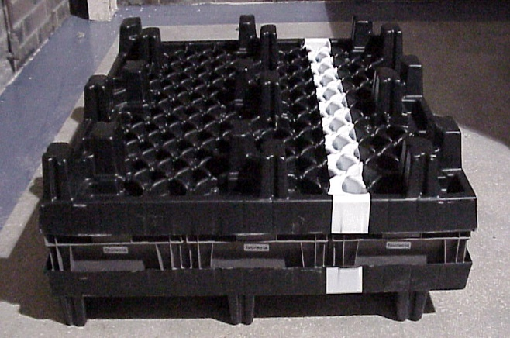

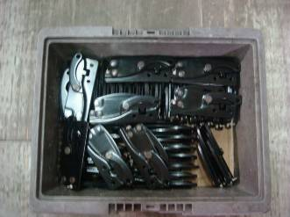

 |  |  |  | Containers per pallet | 24
Parts per Container | 45 |  |  | Pallets per truck | 2 Pallets per week
Loaded Weight | 26.915 |  | pounds | Parts per pallet | 1080
Container Dimensions | 15 X 12 X 6 |  | inches | Gross weight | 695.96 | pounds
Return Ratio | 1:1 |  |  | Pallet Dimensions | 48 X 45 X 17 | inches

APPROVALS

Concept
Company |  | Function |  | Printed Name | Signature | Date
0
CSP |  | Packaging Engineer

Final
Company |  | Function |  | Printed Name | Signature | Date
0
CSP |  | Packaging Engineer
CSP |  | Receiving Plant MPL

