Instructions for Use
Scaling Up A Player Talent Assessment (APTA)™: Instructions for Use:
 | Why is this Important: Achieving 100% A Players offers massive benefits to a Scaling Up company in terms of dramatically increased profitability, culture and happiness.
 | Practically speaking, when a company approaches or exceeds 80% A Players; profitability, alignment and happiness exponentially grow.
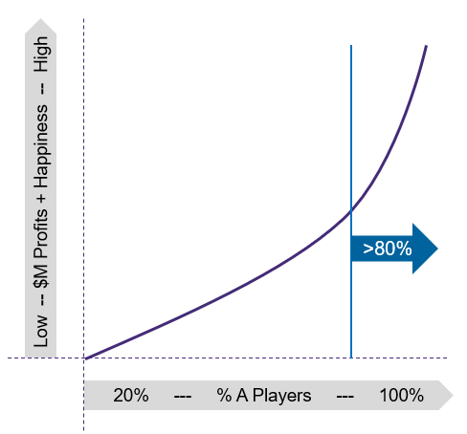

 | 1. | List all of your team members in your organization or division by name and job title
 | 2. | Rate each employee on a 1-4 scale on Results, Core Values, Coachability, Will, and Skills using the following Rating Scale and Definitions:
 |  | Rating Scale:
 |  |  | 4=Excellent (A Player)
 |  |  | 3=Good (B Player)
 |  |  | 2=Fair (C Player)
 |  |  | 1=Poor (C Player (or worse))
 |  | Definitions:
 |  |  | Will=The team member's desire to excel, act with courage, persevere, learn, and be resilient to achieving audacious goals. Do they want it?
 |  |  | Values=Models core values-rated as a summary of all of your core values. (Feel free to expand and evaluate on all your individual core values.)
 |  |  | Results=Bottom Line Results that move the needle in the organization. Quarterly priorities (lead and lag measures) are on-track and/or achieved
 |  |  | Skills=How skilled is the team member in their position? Are they actively learning new skills? Have they mastered the role? Can they transfer knowledge and coach others?
 |  |  | Coachability=How coachable is the team member? Meaning how readily do they accept feedback and instruction, and how well do they apply it?
 |  |  | Overall Rating= Calculated by Scaling Up A Player Analyzer™. This is the average of Results, Core Values, Coachability, Will, and Skills
 |  |  |  |  | >=3.5 equals A Player caliber
 |  |  |  |  | 3.0-3.49 equals B Player caliber
 |  |  |  |  | <=2.9 equals C Player caliber

 | 3. | Subjective Leadership Evaluation: A Player, A Potential (AP), B Player, or C Player:
 |  |  | A Player= Top 10% of the industry in performance for the salary paid, enthusiastically re-hire, models core values, impact player. You love their performance.
 |  |  | A Potential=A person under 9 months in position who you can see developing into a full A Player. Comp is less than an A Player (value play) as you are doing the training and development.
 |  |  |  | Hired because you think they can get to a full A Player in 6-9 months. You are thrilled with their performance for the compensation paid and they are developing.
 |  |  |  | Note: A Potential is not a permanent position. It is time bound to 6-9 months. After that, the person becomes an A or a B.
 |  |  |  | There is no path from B Player to A Potential. The reason is that the A Potential is like a rookie player who has upside. The B Player cannot become a rookie again.
 |  |  | B Player=Basic and blinky performance. Some days you think they are great and the next you do not. Does not "wow" you. Only path is to a full A Player in 6-9 months, not A Potential)
 |  |  | C Player=Subpar performance or poor culture fit (or both). Need immediate performance improvement on way to full A in 6-9 months or need to exit.

 | 4. | Compare the Calculated Overall Rating vs. the Subjective Leadership Evaluation:
 |  |  | Managers notoriously overinflate the ratings of their team members. Best practice here is to compare the subjective rating (A, AP, B or C) the manager recommends versus the calculated
 |  |  | overall score. It is actually healthy to have some team members ratings get calibrated down in front of the managers' eyes, as it drives the PPP (Personal Performance Promise™)
 |  |  | developmental plans and real coaching actions, which are rare in most organizations. Likewise, this challenges the managers to become better leaders and coaches of people's performance.
 |  |  | Healthy debate and constructive calibration of talent are productive and necessary outcomes of this process.

 | 5. | % A Players and A Potentials (APs):
 |  |  | Arguably, the preeminent metric to drive your business success. Scaling Up includes the A Potentials in this metric; as you are thrilled with the performance of these individuals
 |  |  | relative to their compensation and developmental progress, along with that of the full A Players. The memo on % A Potentials is included to provide insights into how your team is structured
 |  |  | and also to ensure the A Potentials are developing into full A Players over time.

 | 6. | Start in Position and Time in Position:
 |  |  | This serves two extremely valuable functions:
 |  |  | 1. | Ensuring that A Potentials (APs) are not permanent A Potentials. As they are approaching the 9 month mark and not becoming full A Players they should be flagged
 |  |  |  | yellow or red. (If not an A after 9 months then need to be downgraded to a B)
 |  |  | 2. | Provides a very strategic picture of the overall time in position for you entire organization so you can make strategic cross functional, development and succession plans.

 | 7. | Redundancy (%)
 |  |  | What percentage of the employee's position and responsibilities are covered by others in the organization? This insight drives strategic cross functional training, hiring and
 |  |  | developmental actions.

 | 8. | Promotability (Levels)
 |  |  | Is the team member appropriately placed (0), promotable (1) level, or promotable (2) levels? Provides a strategic view of who can grow in your organization to met your future needs.
 |  |  | Important: a person who is appropriately placed can still be an A Player

 | 9. | Coaching and Development Action Plan Summary from the Personal Performance Promise (PPP™):
 |  |  | The PPP™ is an official Scaling Up Growth Tool that captures the development plan laid out by the manager, following conversation with the team member.
 |  |  | It is critical that the manager, working with the firm's Talent Coach, be well versed in the developmental actions necessary to improve performance and/or foster career
 |  |  | growth with the employee.
 |  |  | The Scaling Up A Player Talent Assessmnt (APTA)™ provides a very valuable summary of all of the PPP™ strategies and actions for the CEO and Talent Coach to drive to
 |  |  | 100% A Players on the team.

 | 10. | Update Frequency
 |  |  | The best practice is for the Talent Coach to update and review with the CEO and executive team monthly. This review will also serve the drive the update of the % A Player Number
 |  |  | which should be reported as a key driver of company performance at the Scaling Up Monthly Management Meeting. To track trends over time, save each month's review as a separate
 |  |  | tab in Excel

